Guidelines
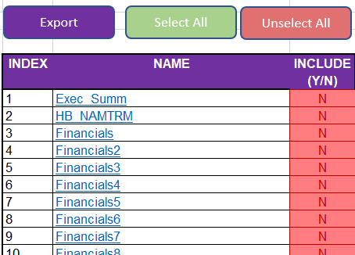
Guidelines
 | Navigation
 |  | By Tabs
 |  | - You can navigate the sheets using the sheet tabs to find the corresponding Slide to make edits or review current value
 |  | - It is located at the bottom of the excel template

 |  | - Just click the sheet you want to navigate to
 |  | - if you can't find the Sheet you want to go to you can click the arrows in the lower left hand side to cycle available sheets in the template

Click

 |  | - after a click the selection will move by one sheet

 |  | - if you found the desired sheet just click the sheet tab
 |  | - for example navigating to Financials

Click

 |  | - And now you will be taken to the selected sheet ready to make Changes/Edits

 |  | - You can also right click the arrow to bring up a menu and you can navigate from there

Right Clcik

 |  | - Then select the desired sheet you want to navigate to
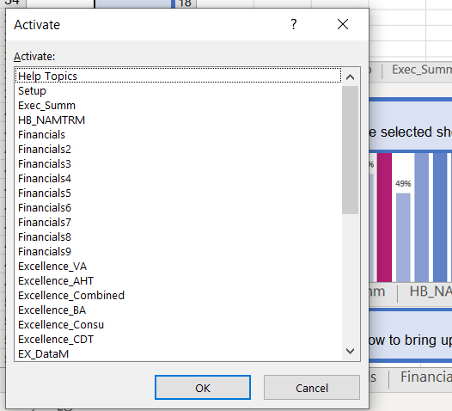

 |  | - Then Click the OK button

Click

 |  | - And now you will be taken to the selected sheet ready to make Changes/Edits

 |  | Quick Links
 |  | - You can use the quick links in the Setup
 |  | - It is located at the left side of the sheet
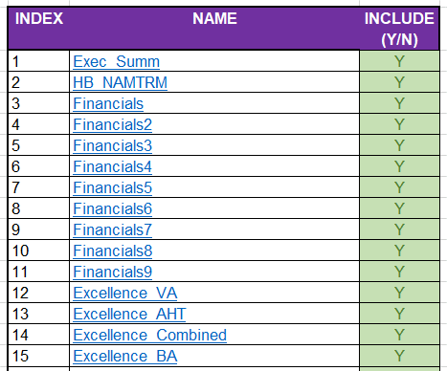

 |  | - Just click the link of the sheet you want to navigate

Click

 |  | - And now you will be taken to the selected sheet ready to make Changes/Edits

 |  | Excel Template
 |  | - This section will list all the Parts of the excel template
 |  | - Slide/Sheet Selection
 |  |  | - This Part is where you can specify which Slides will be exported it also Quick links for Template Navigation
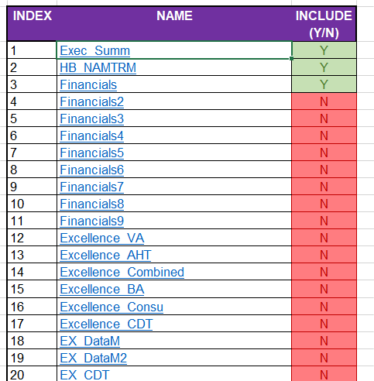

 |  |  |  | `

 |  | - Powerpoint Export Window
 |  |  | - This window is where you will specify the Blank Powerpoint template among the open powerpoint presentations
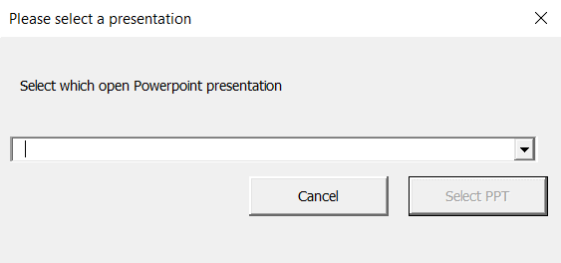

 |  | - Guidelines
 |  |  | - This section display guidelines and help topics for the template
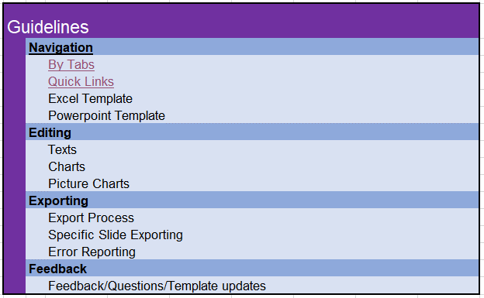

 |  | -Editable fields
 |  |  | - This section are cells which can be edited to update the powerpoint slide values when exporting
 |  |  | - They are normally shown in light yellow color
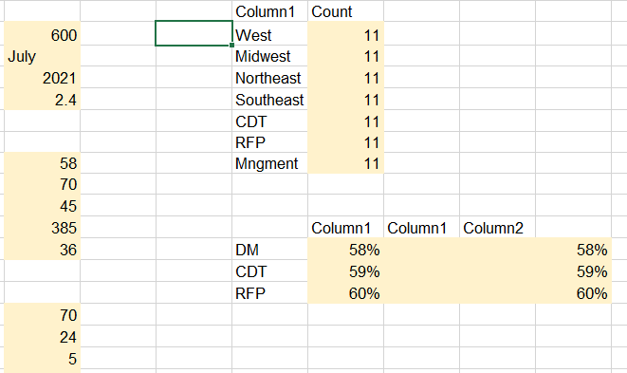

 |  | -Editable Picture fields
 |  |  | - This section are cells which picture can be pasted on to update the powerpoint slide pictures when exporting
 |  |  | - They are normally shown in light yellow color
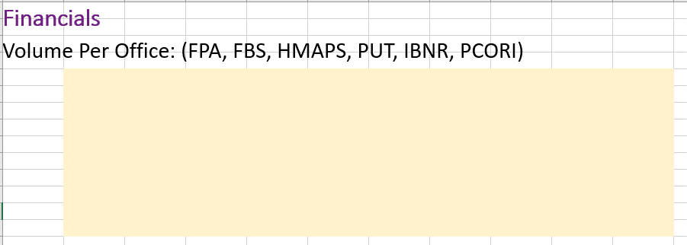

 | Editing
 |  | Texts
 |  | - Certain Text fields can be edited by changing the corresponding cells to update values for the slide
 |  | - Look at the right side of the Sheet for editable text fields
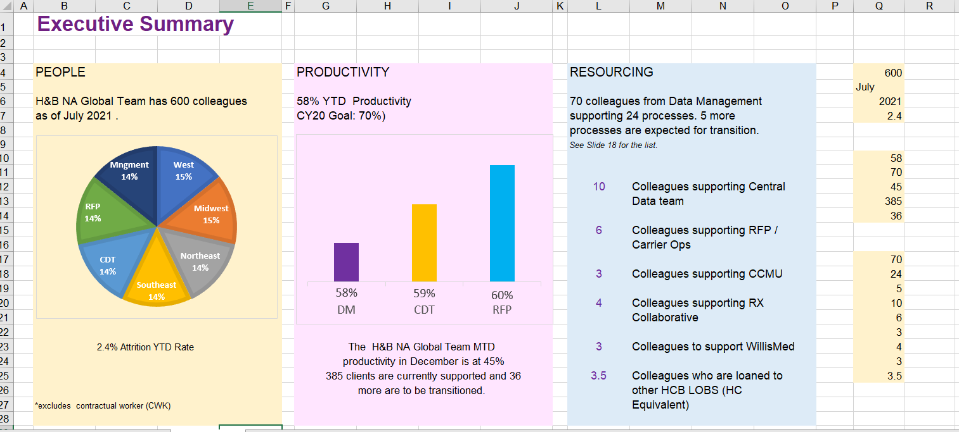

 |  | - Click the cell that you want change the value of
 |  | - then input the value you want to be reflected in the slide

Click

 |  | - upon entering the new value the slide image should also be updated and show the value you have entered

 |  | - Do the same for any values you want to be updated

 |  | Charts
 |  | - Chart Data can be updated by following these steps
 |  | - Look at the right side of the Sheet for the editable Chart data fields
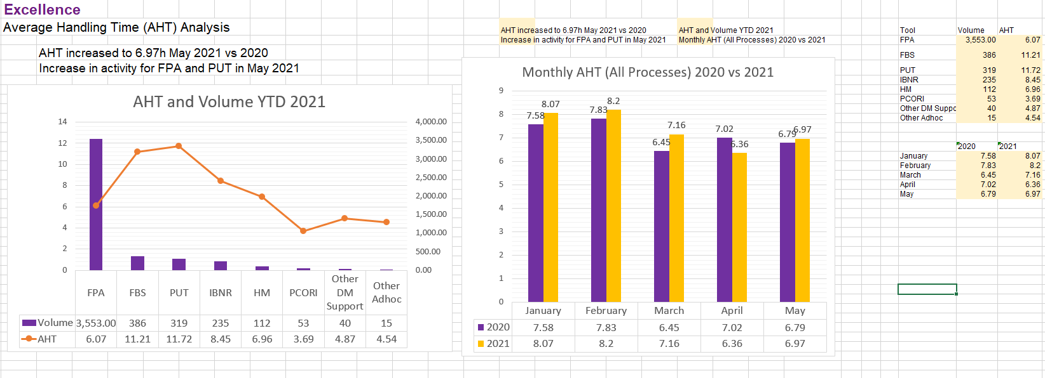

 |  | -Copy the Data Set from your report and paste it into the Editable Chart Data Area
Click

Then
Paste

 |  | - upon entering the new value the slide image should also be updated and show the value you have entered

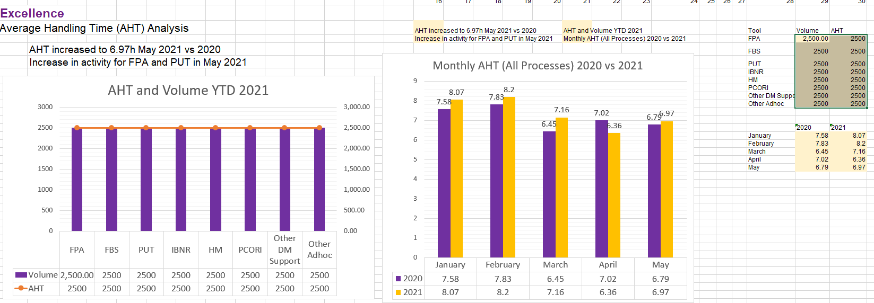

 |  | - Do the same for any Charts you want to be updated
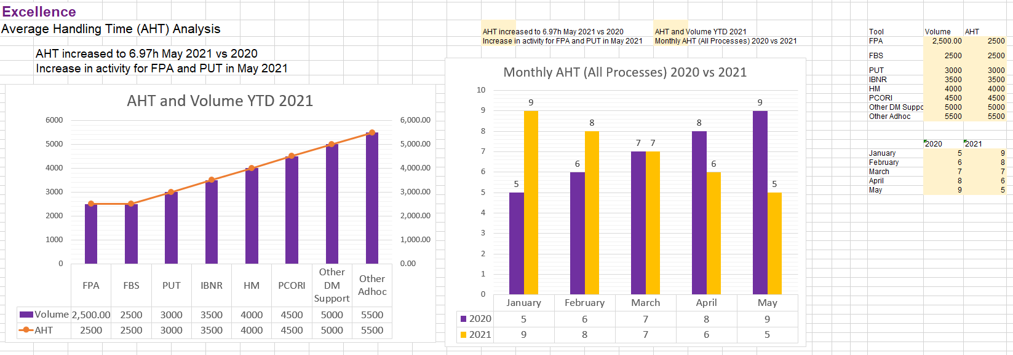

 |  | Picture Charts
 |  | - Some Charts are using Picture data when exporting
 |  | - Follow these steps when updating those kind of charts
 |  | - Editable Chart picture fields are usually located at the center of the sheet
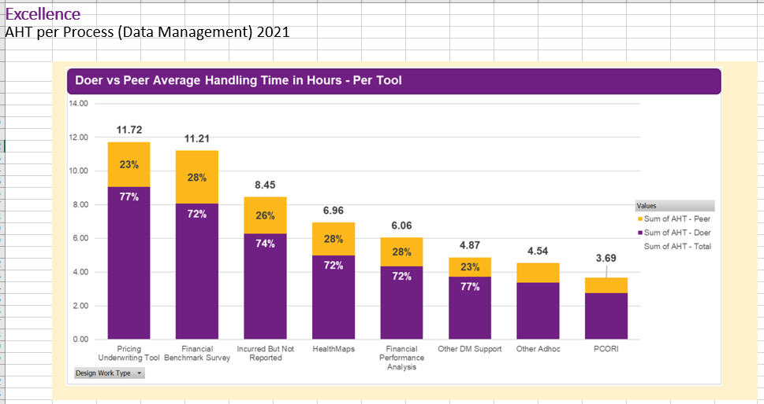

 |  | - There can be multipe in one Sheet
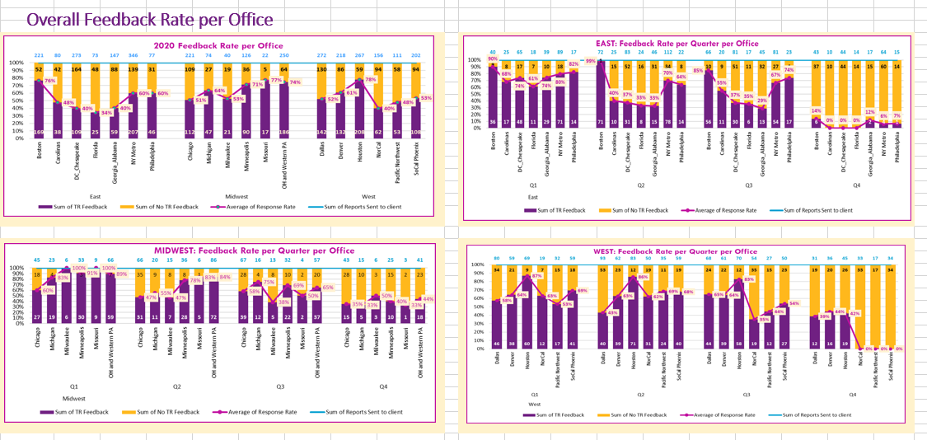

 |  | - They can be indentified by large rectangular light yellow field in the center of the Sheet
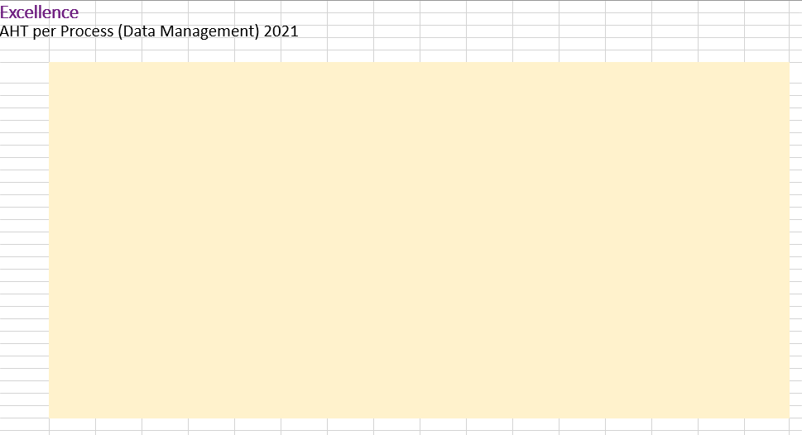

 |  | - Copy the Chart from your report then paste in the sheet as picture

Click

Then
Paste as Picture

 |  | - Then move and resize the picture into the hightlighted area
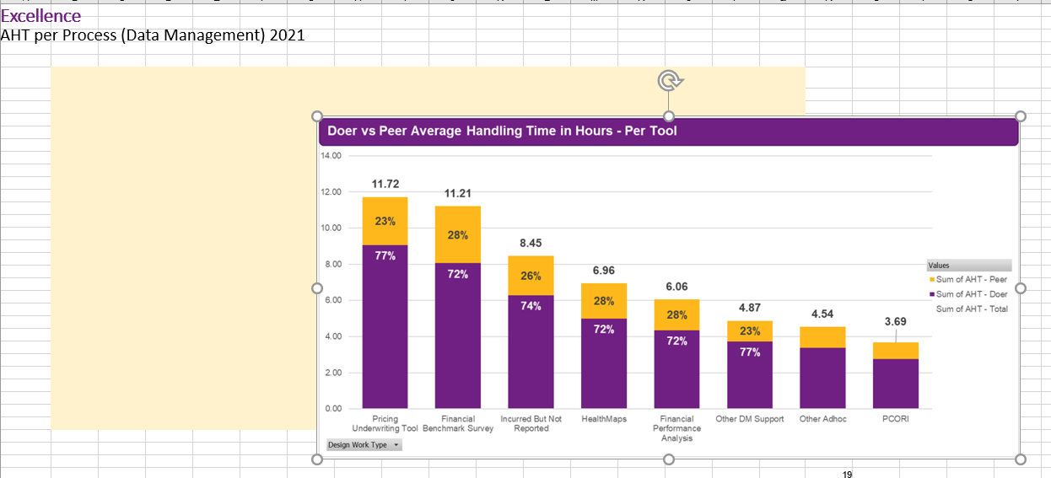

 |  | - Make sure it stays within the highlighted Area

 | Exporting
 |  | Export Process
 |  | - First navigate to the Setup sheet

Click

 |  | - Click the Export Button then a pop up window should appear
Click

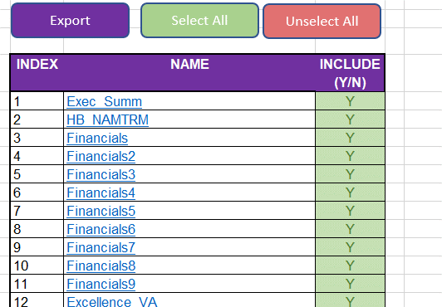

 |  | - Click the dropdown button on the Powerpoint Export Window

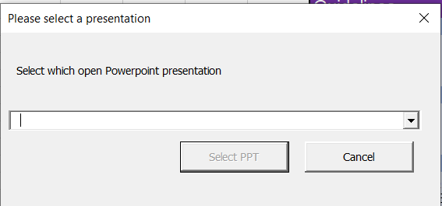

Click

 |  | - Then Select the "Metrics Reporting Deck Blank PPT V1" or the latest equivalent Powerpoint template
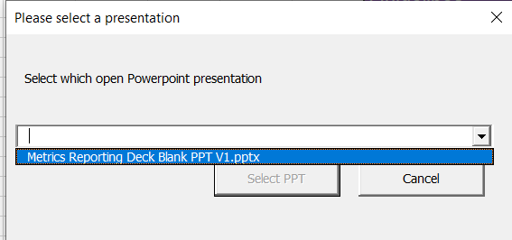

Click

 |  | - Then click "Select PPT" button to begin export
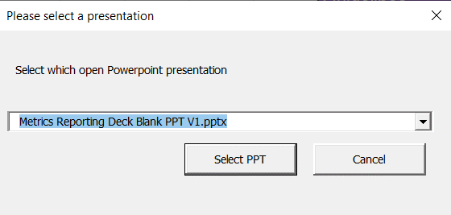

Click

 |  | - A loading bar will appear to show the progress of the export wait until this is finished
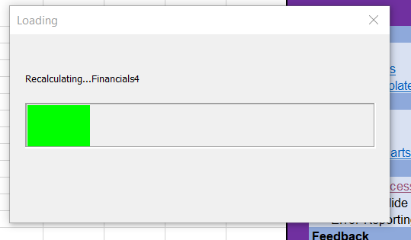

 |  | - When the export process is completed the powerpoint should show
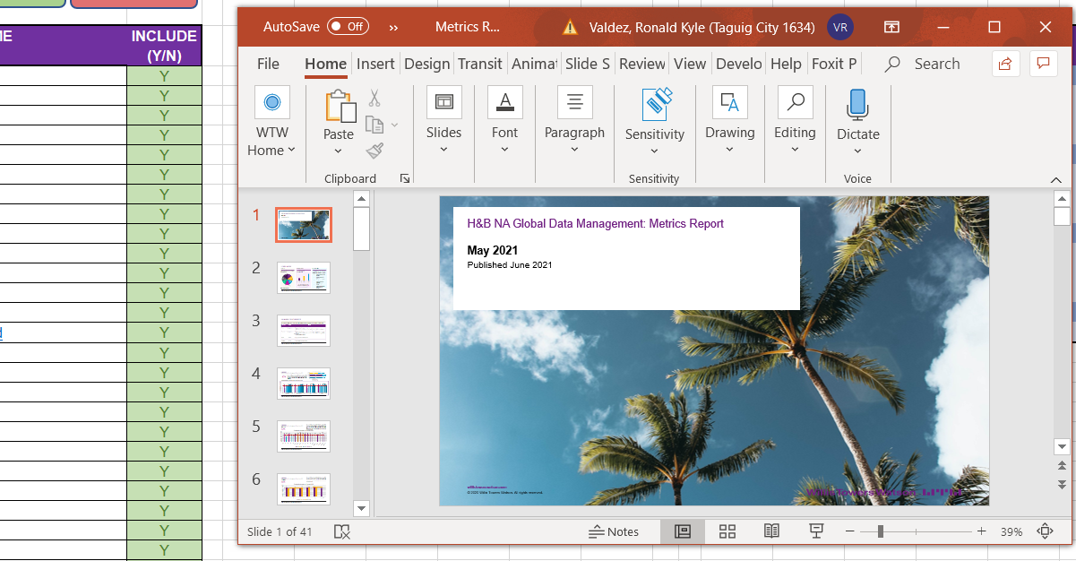

 |  | - review the powerpoint if all exported data are complete and correct

 |  | Specific Slide Exporting
 |  | - You can specify which slides will be exported by changing the value in Column E of Setup sheet
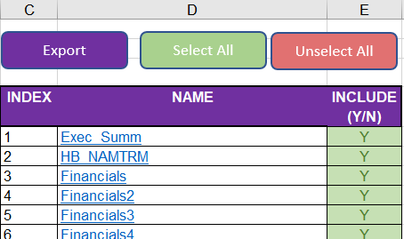

 |  | - Set it to "Y" if you want the data for that sheet to be exported

 |  | - Set it to "N" if you don’t want the data for that sheet to be exported
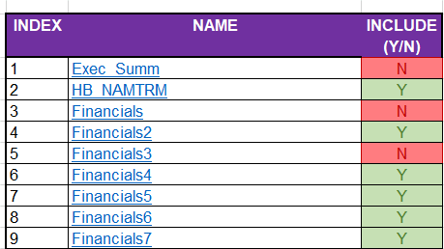

 |  | - You can also set all to "Y" by clickig the select all button
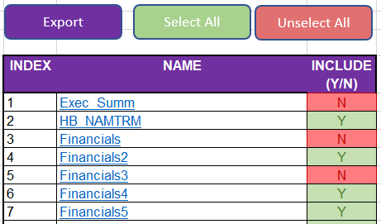
Click

 |  | - Then it should set all sheets to be exported and included

 |  | - You can also set all to "N" by clickig the Unselect all button
Click

 |  | - Then it should set all sheets not to be exported and excluded

Setup
Export
Select All
Unselect All

INDEX | NAME | INCLUDE(Y/N) | Guidelines
1 | Exec_Summ | Y |  | Navigation
2 | HB_NAMTRM | Y |  |  | By Tabs
3 | Financials | Y |  |  | Quick Links
4 | Financials2 | Y |  |  | Excel Template
5 | Financials3 | Y |  | Editing
6 | Financials4 | Y |  |  | Texts
7 | Financials5 | Y |  |  | Charts
8 | Financials6 | Y |  |  | Picture Charts
9 | Financials7 | Y |  | Exporting
10 | Fin_Ppw | Y |  |  | Export Process
11 | Financials8 | Y |  |  | Specific Slide Exporting
12 | Financials9 | Y
13 | Excellence_VA | Y
14 | Excellence_AHT | Y
15 | Excellence_AHT_CON | Y
16 | Excellence_Combined | Y
17 | Excellence_BA | Y
18 | Excellence_Consu | Y
19 | Excellence_CDT | Y
20 | EX_DataM | Y
21 | EX_DataM2 | Y
22 | EX_CDT | Y
23 | EX_CPY | Y
24 | Clients_Perf | Y
25 | Clients_Auto | Y
26 | Clients_Auto2 | Y
27 | EX_YTD | Y
28 | Appendix | Y
29 | About | Y
30 | Prod_Comp | Y
31 | People | Y
32 | Overall_Feedback | Y
33 | Feedback1 | Y
34 | Feedback2 | Y
35 | Feedback3 | Y
36 | Feedback4 | Y
37 | Feedback5 | Y
38 | Feedback6 | Y
39 | Feedback7 | Y
40 | TQS1 | Y
41 | TQS2 | Y
42 | TQS3 | Y
40 | TQS4 | Y

Exec_Summ
Executive Summary

 |  |  |  |  |  |  | Count
PEOPLE |  | PRODUCTIVITY | RESOURCING |  | 80 | West | 23
 |  |  |  |  | August | Midwest | 15
H&B NA Global Team has 80 colleagues |  | 58% YTD Productivity | 70 colleagues from Data Management |  | 2022 | Northeast | 12
as of August 2022 . |  | CY20 Goal: 70%) | supporting 24 processes. 5 more |  | 80 | Southeast | 11
 |  |  | processes are expected for transition. |  |  | CDT | 10
 |  |  | See Slide 18 for the list. |  |  | RFP | 2
 |  |  |  |  | 58 | Mngment | 7
 |  |  |  |  | 70
 |  |  | 10 | Colleagues supporting Central | 45
 |  |  |  | Data team | 385 |  | Column1 | Column12 | Column2 | Column3
 |  |  |  |  | 36 | DM | 58% | 45% | 45% | 45%
 |  |  | 6 | Colleagues supporting RFP / |  | CDT | 59% | 45% | 45% | 45%
 |  |  |  | Carrier Ops |  | RFP | 60% | 45% | 45% | 45%
 |  |  |  |  | 70
 |  |  | 3 | Colleagues supporting CCMU | 24
 |  |  |  |  | 5
 |  |  | 4 | Colleagues supporting RX | 10
 |  |  |  | Collaborative | 6
 |  |  |  |  | 3
 | 80% Attrition YTD Rate | The H&B NA Global Team MTD | 3 | Colleagues to support WillisMed | 4
 |  | productivity in December is at 45% |  |  | 3
 |  | 385 clients are currently supported and 36 | 3.5 | Colleagues who are loaned to | 3.5
 |  | more are to be transitioned. |  | other HCB LOBS (HC
*excludes contractual worker (CWK) |  |  |  | Equivalent)

HB_NAMTRM
H&B NA Manila Team Risk Management

Overall risk rating of H&B NA Manila Team as of December 2020 is ON TRACK. Identified measures for each risk area do not reflect any critical risk to the business that may potentially impact the team’s deliverables.

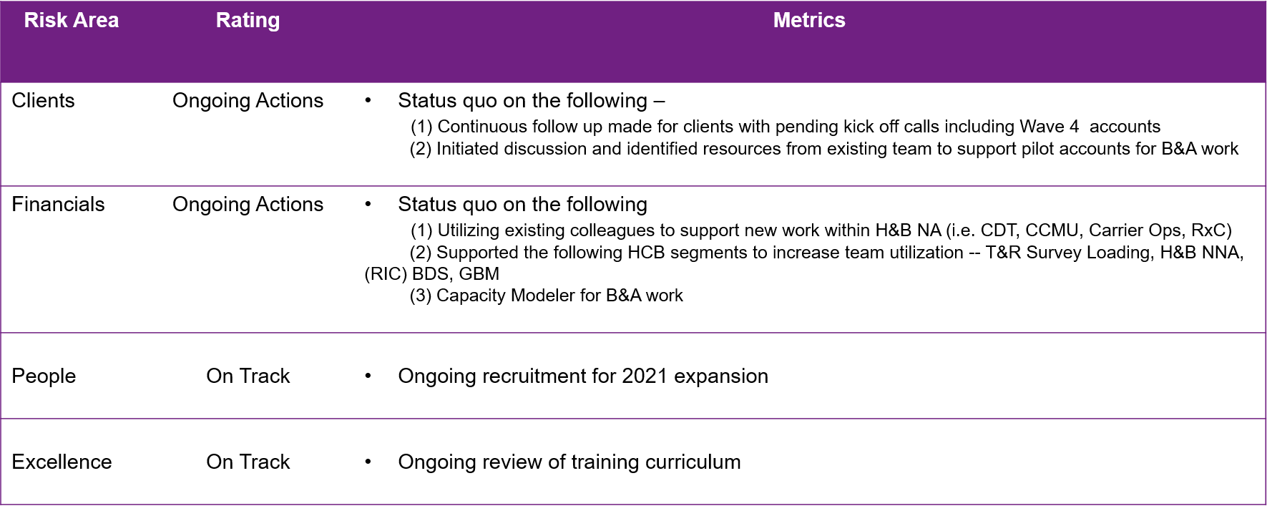

3
© 2020 Willis Towers Watson. All rights reserved. Proprietary and Confidential. For Willis Towers Watson and Willis Towers Watson client use only.

Financials
June Capacity Breakdown
Financials |  |  | 24 | 26 |  | 32 | 33 | 34 | 35 | 36 | 37 | 38 | 39
H&B NA Global Data Management Productivity 2021 |  |  | June | June Capacity Breakdown |  | Client Time | Non-Client Time | Non-Working Time | Other LOB | Column1
 |  |  | 2021 | June 2021 YTD Productivity | DM | 88% | 9% | 7% | 0% | 103.50%
June MTD |  | The overall YTD productivity of H&B NA Manila as of June 2021 | 83 |  | CDT | 76% | 19% | 10% | 0% | 105.12%
 |  | is at 83.16. There is a sustained increase in volume for HBNA | 83.16 |  | RFP | 76% | 19% | 6% | 0% | 100.00%
83% |  | activities for DM and Non-DM Processes in Q1 2021 compared |  |  |  |  |  |  |  | 0
 |  | to Q1 2020. Productivity without New Hires HBNA US W4
 |  | Canada W1 |  |  |  | YTD 2021 | Jan | Feb | Mar | Apr | May | June | FCST
 |  |  |  |  | H&B Manila | 82% | 72% | 80% | 85% | 80% | 86% | 87% | 75%
 |  |  |  |  | Data Management | 83% | 73% | 80% | 86% | 79% | 86% | 88% | 75%
 |  |  |  |  | CDT | 80% | 68% | 82% | 80% | 88% | 86% | 76% | 75%
 | Further breakdown per group are shown in the succeeding slides. |  |  |  | RFP | 82% | 75% | 76% | 88% | 88% | 82% | 81% | 75%

June 2021 YTD Productivity

75%

Financials2
 |  | 22 | 23 | 24 | 27 | 28 | 29 | 30 | 31
Financials
 |  |  |  |  |  | Forecast | Actuals | Actuals 2020 | Actuals 2021 | Difference
H&B NA Global Data Management Productivity 2021 | The overall YTD productivity of H&B NA Manila as of May 2021 | May |  | Productivity (Actuals vs Forecast) 2021 | YTD |  |  | 58% | 82% | 24%
 | is at 83.16%. There is an increase in volume for HBNA activities | 2021 |  |  | Q1 |  |  | 49% | 80% | 31%
May MTD | for DM and Non-DM Processes in Q2 2021 compared to Q2 | 83 |  |  | Q2 |  |  | 61% | 85% | 23%
 | 2020. Productivity without New Hires HBNA US W4, Canada W1; | 83.16 |  |  | Q3 |  |  | 67%
83% |  |  |  |  | Q4 |  |  | 54%
 | *Forecast updated using new calculation model based on Team Capacity |  |  |  | January | 78% | 73% |  |  | 5%
 | and Required Man Hours |  |  |  | February | 84% | 79% |  |  | 5%
 |  |  |  |  | March | 90% | 85% |  |  | 5%
Productivity (Actuals vs Forecast) 2021
 | Forecast | Actuals | Actuals 2020 | Actuals 2021 | Difference
YTD |  |  | 58% | 82% | 24%
Q1 |  |  | 49% | 80% | 31%
Q2 |  |  | 61% | 85% | 23%
Q3 |  |  | 67%
Q4 |  |  | 54%
January | 78% | 0.725442 |  |  | 5%
February | 84% | 0.79 |  |  | 5%
March | 90% | 0.852456 |  |  | 5%
April | 85% | 0.8 |  |  | 5%
May | 84% | 0.8559 |  |  | -2%
June | 85% | 0.8725 |  |  | -2%
July | 81%
August | 76%
September | 81%
October | 73%
November | 81%
December | 88%
Target YTD | 75%
 |  |  |  |  | April | 85% | 80% |  |  | 5%
 |  |  |  |  | May | 84% | 86% |  |  | -2%
 |  |  |  |  | June | 85% | 87% |  |  | -2%
 |  |  |  |  | July | 81%
 |  |  |  |  | August | 76%
 |  |  |  |  | September | 81%
 |  |  |  |  | October | 73%
 |  |  |  |  | November | 81%
 |  |  |  |  | December | 88%
 |  |  |  |  | Target YTD | 75%

Financials3
 |  | 22 | 23 | 24 | 27 | 28 | 29 | 30 | 31
Financials

H&B NA Global Data Management Productivity 2022 | The overall YTD productivity of H&B NA Manila as of June 2022 | June |  | Productivity (Actuals vs Forecast) 2022 |  | Forecast | Actuals
 | is at 82.16%. Increasing trend for HBNA activities for DM and | 2022 |  |  | January | 85% | 73%
June MTD | Non-DM Processes in 2022 Productivity without New Hires | 82 |  |  | February | 75% | 79%
 | HBNA US W4, Canada W1; | 82.16 |  |  | March | 75% | 85%
82% | *Forecast updated using new calculation model based on Team Capacity |  |  |  | April | 85% | 80%
 | and Required Man Hours |  |  |  | May | 85% | 83%
 |  |  |  |  | Target YTD | 75%

Productivity (Actuals vs Forecast) 2022
 | Forecast | Actuals
January | 85% | 73%
February | 75% | 79%
March | 75% | 85%
April | 85% | 80%
May | 85% | 83%
Target YTD | 75%

Financials4
 |  | 22 | 23 | 24 | 27 | 28 | 29 | 30 | 31
Financials

H&B NA Global Data Management Productivity 2022 | The overall YTD productivity of H&B NA Manila as of June 2022 | June |  | Productivity (Actuals vs Forecast) 2022 |  | 2020 | 2021
 | is at 83.16%. There is an increase for HBNA activities: DM and | 2022 |  |  | YTD Actuals | 58% | 79%
June MTD | Non-DM Processes in Q2 2021 vs Q2 2020. Productivity | 83 |  |  | Q1 Actuals | 49% | 80%
 | without New Hires HBNA US W4, Canada W1 | 83.16 |  |  | Q2 Actuals | 61% | 83%
83% | *Forecast updated using new calculation model based on Team Capacity |  |  |  | Target YTD | 70% | 75%
 | and Required Man Hours

Productivity 2020 vs 2021

Financials5
75%
June Capacity Breakdown
Financials |  | 24 | 26 |  | 32 | 33 | 34 | 35 | 36 | 37 | 38 | 39 | 40 | 41
Data Management |  | June | June Capacity Breakdown | Column1 | Client Time | Non-Client Time | Non Working Time | Other LOB
 |  | 2021 | June 2021 YTD Productivity | East | 83% | 19% | 0% | 0%
June MTD |  | 90 |  | Midwest | 82% | 25% | 0% | 0%
 |  | 90.12 |  | West | 86% | 19% | 0% | 0%
90%

 | 2021 YTD utilization is at 90.12 %. MTD results include |  |  |  | YTD20 | YTD21 | Q120 | Q121 | Jan | Feb | Mar | Apr | May | FCST
 | utilization from other HCB teams and H&B NA client work. |  |  | East | 62% | 82% | 56% | 84% | 78% | 79% | 80% | 81% | 83% | 75%
 | activities for DM and Non-DM Processes in Q1 2021 compared |  |  | Midwest | 50% | 77% | 40% | 77% | 67% | 77% | 78% | 79% | 83% | 75%
 | Resources are also cross-utilized to CDT, CCMU, Carrier Operations. |  |  | West | 58% | 79% | 48% | 79% | 72% | 74% | 82% | 78% | 85% | 75%

June 2021 YTD Productivity

75%

Financials6
75%
June Capacity Breakdown
Financials |  | 24 | 26 |  | 32 | 33 | 34 | 35 | 36 | 37 | 38 | 39 | 40 | 41
Central Data Team |  | June | June Capacity Breakdown |  | Client Time | Non-Client Time | Non-Working Time | Other LOB
 |  | 2021 | June 2021 YTD Productivity | CDT | 86% | 26% | 0% | 0%
June MTD |  | 90 |  | B&A | 72% | 15% | 16% | 6%
 |  | 90.12 |  | SOUTHEAST | 98% | 15% | 3% | 12%
90% |  |  |  | NORTHEAST | 98% | 15% | 3% | 12%

 | In June, productivity was driven by RFP Related activities and |  |  |  | Consulting | B&A | Other LoBs | Column1 | Column2 | Column3
 | the Global Network Team: GeoAccess, Disruption Analysis |  |  | YTD 2020 | 60% | 0% | 0%
 | and NetRPM activities as well as ADML RFPs/Benchmarking; |  |  | YTD 2021 | 80%
 | CCMU Reporting and Vetting; Form 5500. YTD Utilization is |  |  | Jan-21 | 68%
 | 90.12% |  |  | Feb-21 | 82%
 |  |  |  | Mar-21 | 80%
 |  |  |  | Apr-21 | 88%
 |  |  |  | May-21 | 86%
 |  |  |  | YTD Goal | 75%

June 2021 YTD Productivity

70%

Fin_Ppw
 |  | 22 | 23 | 24 | 27 | 28 | 29 | 30 | 31
Financials

H&B NA Global Data Management Productivity 2022 | Chart below shows Productivity Comparison per Wave; Wave 4 showing 99%+ Productivity due to training and parallel processing | June |  | Productivity (Actuals vs Forecast) 2022 | Row Label | W1.0 US | W1.1 US | W2.0 US | W3.1 US | W3.2 US | W4.0 US | W1.0 CA
 |  | 2022 |  |  | January | 74% |  | 69%
June MTD |  | 83 |  |  | February | 77% |  | 78% | 86% | 87%
 |  |  |  |  | March | 80% | 88% | 82% | 86% | 100%
83% | *Forecast updated using new calculation model based on Team Capacity |  |  |  | April | 80% | 65% | 82% | 79% | 80%
 | and Required Man Hours |  |  |  | May | 78% | 57% | 79% | 94% | 89% | 100% | 99%
 |  |  |  |  | June | 81% | 76% | 76% | 96% | 97% | 100% | 77%
 |  |  |  |  | YTD | 77% | 73% | 77% | 88% | 91% | 99% | 87%

Productivity 2020 vs 2021
 | W1.0 US | W1.1 US | W2.0 US | W3.1 US | W3.2 US | W4.0 US | W1.0 CA
January | 74% |  | 69%
February | 77% |  | 78% | 86% | 87%
March | 80% | 88% | 82% | 86% | 100%
April | 80% | 65% | 82% | 79% | 80%
May | 78% | 57% | 79% | 94% | 89% | 100% | 99%
June | 81% | 76% | 76% | 96% | 97% | 100% | 77%
YTD | 77% | 73% | 77% | 88% | 91% | 99% | 87%

Financials7
75%
June Capacity Breakdown
Financials |  | 24 | 26 |  | 32 | 33 | 34 | 35 | 36 | 37 | 38 | 39 | 40 | 41
RFP Team |  | June | June Capacity Breakdown |  | RFP | CO | CDT | DM | Non-Client Time | Non-Working Time | Other LOB
 |  | 2021 | June 2021 YTD Productivity | RFP / CO | 13.33% | 4.94% | 28.36% | 35.24% | 33.72% | 0.00% | 0.00%
June MTD |  | 90
 |  | 90.12
90% |  | 6
 |  | 78
 | We received a total of 6 RFPs accounts in June and 78 |  |  |  | RFP | CO | CDT | DM
 | RFPs total YTD 2021. Low work volume with Carrier |  |  | YTD | 11.04% | 9.87% | 5.43% | 47.56%
 | Operations expected for 1H 2021. Project coordinators |  |  | January | 6.98% | 6.15% | 5.73% | 47.21%
 | spent most of their time with RFP work. YTD Utilization is |  |  | February | 35.41% | 6.85% | 16.20% | 29.62%
 | at 90.12%. |  |  | March | 21.27% | 6.90% | 24.40% | 35.77%
 |  |  |  | April | 7.50% | 5.69% | 21.06% | 24.50%
 |  |  |  | May | 13.33% | 4.94% | 28.36% | 35.24%
 |  |  |  | YTD Goal | 25.00% | 10.00% | 10.00% | 30.00%
June 2021 YTD Productivity

70%

Financials8
Financials
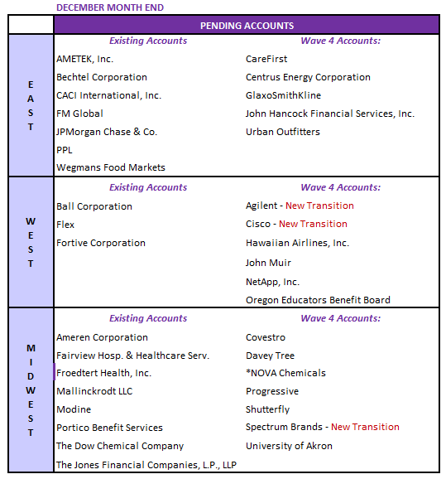

Client Transition Update

Pending accounts down to 36 by December ME
17 accounts from Waves 1-3; 16 accounts from Wave 4
3 new transitioned accounts

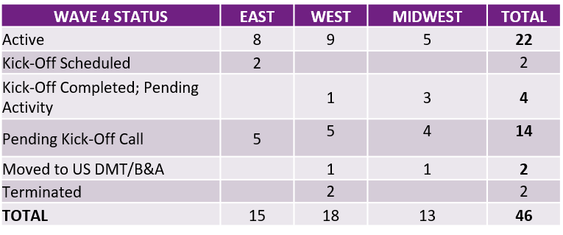

Total of 46 accounts under Wave 4 as of this writing
27 Initial Transition
19 Additional accounts
48% already active, 43% pending activity, 9% terminated/moved to US DMT

**Please see attached file for full details

11
© 2020 Willis Towers Watson. All rights reserved. Proprietary and Confidential. For Willis Towers Watson and Willis Towers Watson client use only.

Financials9
Financials

Volume Per Office: (FPA, FBS, HMAPS, PUT, IBNR, PCORI)

Carolinas: American Tire Distributor did not renew their contract for 2020, tagged as Inactive effective 12/14/2020

 | Missouri: BJC Healthcare did not continue with the transition of work OH and Western PA: Diebold Nixdorf will be switching to B&A

 |  | Status quo for all West region offices

Excellence_VA
Excellence

Volume Analysis

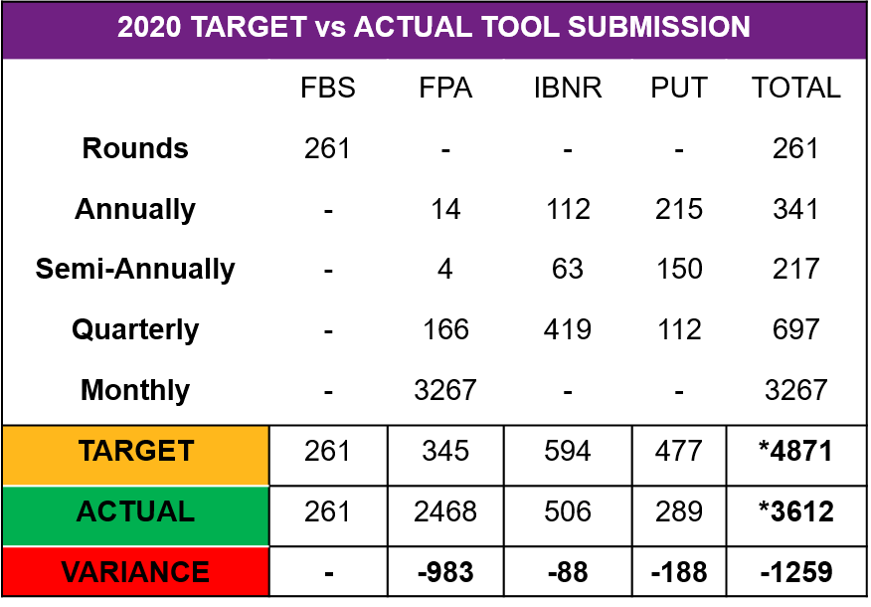
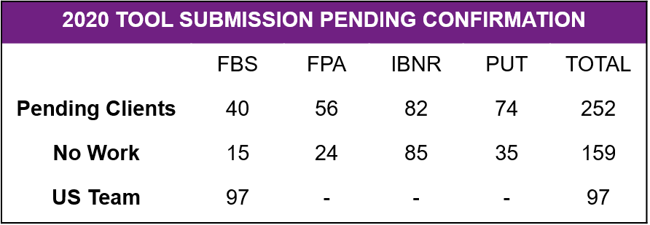

The Manila Data Management Team has completed a total of 3,612 reports for 389 client accounts for 2020 YTD
Teams completed 1364 reports for the East region, 827 for Midwest region and 1421 for West region

*includes +33 PCORI and +55 HMAPS YTD

13
© 2020 Willis Towers Watson. All rights reserved. Proprietary and Confidential. For Willis Towers Watson and Willis Towers Watson client use only.

Excellence_AHT
 |  | 16 | 17 | 18 | 19 | 20 | 21 | 22 | 23 | 24 | 25 | 26 | 27 | 28 | 29 | 30
Excellence
Average Handling Time (AHT) Analysis |  | AHT increased to 6.97h May 2021 vs 2020 |  |  |  |  | AHT and Volume YTD 2021 |  |  |  |  |  |  | Tool | Volume | AHT
 |  | Increase in activity for FPA and PUT in May 2021 |  |  |  |  | Monthly AHT (All Processes) 2020 vs 2021 |  |  |  |  |  |  | FPA | 2,500.00 | 2500
Monthly AHT (All Processes) 2020 vs 2021
 | AHT increased to 6.97h May 2021 vs 2020 |  |  |  |  |  |  |  |  |  |  |  |  | FBS | 2500 | 2500
 | Increase in activity for FPA and PUT in May 2021 |  |  |  |  |  |  |  |  |  |  |  |  | PUT | 3000 | 3000
 |  |  |  |  |  |  |  |  |  |  |  |  |  | IBNR | 3500 | 3500
AHT and Volume YTD 2021
 |  |  |  |  |  |  |  |  |  |  |  |  |  | HM | 4000 | 4000
 |  |  |  |  |  |  |  |  |  |  |  |  |  | PCORI | 4500 | 4500
 |  |  |  |  |  |  |  |  |  |  |  |  |  | Other DM Support | 5000 | 5000
 |  |  |  |  |  |  |  |  |  |  |  |  |  | Other Adhoc | 5500 | 5500

 |  |  |  |  |  |  |  |  |  |  |  |  |  |  | 2020 | 2021
 |  |  |  |  |  |  |  |  |  |  |  |  |  | January | 5 | 9
 |  |  |  |  |  |  |  |  |  |  |  |  |  | February | 6 | 8
 |  |  |  |  |  |  |  |  |  |  |  |  |  | March | 7 | 7
 |  |  |  |  |  |  |  |  |  |  |  |  |  | April | 8 | 6
 |  |  |  |  |  |  |  |  |  |  |  |  |  | May | 9 | 5

Excellence_AHT_CON
 |  | 16 | 17 | 18 | 19 | 20 | 21 | 22 | 23 | 24 | 25 | 26 | 27 | 28 | 29 | 30
Excellence
Average Handling Time (AHT) Analysis |  | AHT increased to 6.97h May 2021 vs 2020 |  |  |  |  | AHT and Volume YTD 2021 |  |  |  |  |  |  | Tool | Vol Consulting | Vol_B&A
 |  | Increase in activity for FPA and PUT in May 2021 |  |  |  |  | Monthly AHT (All Processes) 2020 vs 2021 |  |  |  |  |  |  | FPA | 1,590 | 3,761
Monthly AHT (All Processes) 2020 vs 2021
 | AHT increased to 6.97h May 2021 vs 2020 |  |  |  |  |  |  |  |  |  |  |  |  | IBNR | 352 | 44
 | Increase in activity for FPA and PUT in May 2021 |  |  |  |  |  |  |  |  |  |  |  |  | FBS | 388 | 1
 |  |  |  |  |  |  |  |  |  |  |  |  |  | PUT | 382 | 4
AHT and Volume YTD 2021
 | Vol Consulting | Vol_B&A
FPA | 1590 | 3761
IBNR | 352 | 44
FBS | 388 | 1
PUT | 382 | 4
PCORI | 135 | 160
HM | 143 | 1
Other DM | 56
Other Adhoc | 18 | 7
 |  |  |  |  |  |  |  |  |  |  |  |  |  | PCORI | 135 | 160
 |  |  |  |  |  |  |  |  |  |  |  |  |  | HM | 143 | 1
 |  |  |  |  |  |  |  |  |  |  |  |  |  | Other DM | 56
 |  |  |  |  |  |  |  |  |  |  |  |  |  | Other Adhoc | 18 | 7

 |  |  |  |  |  |  |  |  |  |  |  |  |  | Tool | AHT Consulting | AHT B&A
 |  |  |  |  |  |  |  |  |  |  |  |  |  | FPA | 7 | 6
 |  |  |  |  |  |  |  |  |  |  |  |  |  | IBNR | 8.31 | 10.32
 |  |  |  |  |  |  |  |  |  |  |  |  |  | FBS | 11.22 | 10.25
 |  |  |  |  |  |  |  |  |  |  |  |  |  | PUT | 11.87 | 10.31
 |  |  |  |  |  |  |  |  |  |  |  |  |  | PCORI | 3.88 | 3.76
 |  |  |  |  |  |  |  |  |  |  |  |  |  | HM | 6.71 | 4
 |  |  |  |  |  |  |  |  |  |  |  |  |  | Other DM | 4.82 | -
 |  |  |  |  |  |  |  |  |  |  |  |  |  | Other Adhoc | 4.74 | 3.86

Excellence_Combined
 |  | 28 | 29 | 30 | 31 | 32 | 33 | 34 | 35
Excellence | Office | Financial Performance Analysis | Pricing Underwriting Tool | Incurred But Not Reported | Financial Benchmark Survey | HealthMaps | PCORI | Other Adhoc | Other DM Support
Average Handling Time per Tool per Market May 2021 (Combined B&A and Consulting) | Boston | 5.71 | 9.72 | 8.49 | 12.16 | 5.75 | 4.34 | - | 3.14
 | Carolinas | 5.24 | 10.63 | 7.02 | 12.46 | 5.88 | 2.84 | 4.2 | 6.1
 | DC_Chesapeake | 4.98 | 7.43 | 6.46 | 11.2 | 7.06 | 1.3 | 8.5 | -
 | Florida | 3.79 | 7 | 6.25 | 9.7 | - | - | 3.65 | -
 | Georgia_Alabama | 5.16 | 11.58 | 9.25 | 13.72 | 6 | - | 4.5 | 12
 | NY Metro | 5.06 | 13.12 | 11.01 | 12.11 | 7.22 | 5.23 | 8.02 | 7.84
 | Philadelphia | 5.36 | 8.2 | 10.84 | 9.11 | - | - | - | 6.5
 | Austin | 3.83 | - | - | - | - | - | - | -
 | Nashville | 5.38 | - | - | - | - | - | - | -
 | Potomac, Maryland | 4.79 | - | - | - | - | 4.17 | - | -
 | New York | 5.27 | 12.86 | 10.95 | - | 10.75 | 2.87 | - | -
 | Atlanta, Georgia | 4.39 | 13 | 12 | - | - | 2 | - | -
 | Hunt Valley, Maryland | 4.73 | 12.17 | 9.87 | - | 6.83 | 3.86 | - | -
 | Birmingham | 4.76 | - | - | - | - | - | - | -
 | Knoxville | 3.81 | - | - | - | - | - | - | -
 | Greater Philadelphia | 5.63 | 12.83 | 7.33 | - | - | 4.44 | 6 | -
 | Stamford, Connecticut | 3.92 | - | 12 | - | 3 | - | - | -
 | Richmond, Virginia | 4.83 | 6.35 | 7.44 | - | 2.52 | 4.62 | - | -
 | Tampa | 4.16 | - | - | - | - | 2.67 | 3.5 | -
 | Hartford, Connecticut | 4.05 | - | - | - | - | 3.33 | - | -
 | Mobile | 3 | - | - | - | - | - | - | -
 | Miami | 6.67 | - | - | - | - | - | - | -
 | Chicago | 7.16 | 15.4 | 9.86 | 12.25 | 7.99 | 4.44 | 2 | 10.02
 | Michigan | 9.28 | 15.13 | 5 | 11.81 | 3.92 | - | - | -
 | Milwaukee | 7.18 | 15.09 | - | 11.27 | 11.75 | 5.51 | - | 6.75
 | Minneapolis | 5.91 | 10.47 | 6.92 | 10.18 | 8.25 | 4.05 | - | -
 | Missouri | 8.21 | 14.58 | 15.75 | 16.41 | 6.75 | 6.5 | - | -
 | OH and Western PA | 7.51 | 13.68 | 11.3 | 10.03 | 5.67 | - | - | -
 | Pittsburgh | 9.54 | 24.75 | - | 29.25 | 7.81 | 4.66 | - | -
 | Cleveland | 6.21 | 10 | 15.63 | 10.25 | 2.75 | 4.75 | - | 1.5
 | Grand Rapids | 5.89 | - | - | - | - | - | - | -
 | Kansan City | 7.03 | - | - | - | - | - | - | -
 | Columbus | 6.53 | - | - | - | - | - | - | -
 | Michigan - Grand Rapids | 7.22 | 13.35 | 6 | - | 8.5 | 2 | - | -
 | Overland Park, Kansas (AKA Kansas City) | 8.27 | 10.5 | - | - | - | 3.44 | - | -
 | St. Louis, Missouri | 3.44 | 15.5 | 16.02 | - | 9.25 | - | - | -
 | Michigan - Southfield | 7.63 | 20.25 | - | - | - | 9.75 | - | -
 | Appleton, Wisconsin | 4.25 | - | - | - | - | - | - | -
 | Cincinnati | 12.83 | - | - | - | - | - | - | -
 | Indianapolis | 12 | - | 4.75 | - | - | - | - | -
 | Dallas | 7.36 | 15.3 | 9.35 | 10.8 | 8.68 | 6.36 | - | 4.1
 | Denver | 7.71 | 12.77 | 9.13 | 11.65 | 6.69 | 2.49 | 1.25 | 4.75
 | Houston | 6.62 | 11.84 | 7.08 | 9 | 6.13 | 4.03 | - | 3.09
 | NorCal | 5.73 | 9.79 | 8.27 | 10.9 | 5 | 3.08 | 5.75 | 4.44
 | NY Metro | 2.26 | - | - | - | - | - | - | -
 | Pacific Northwest | 4.88 | 11.13 | 6.26 | 9.21 | 7.25 | - | - | 5
 | SoCal Phoenix | 6.83 | 10.63 | 8.16 | 11.52 | 4.92 | - | - | 3.25
 | Austin | 5.33 | - | - | - | - | - | - | -
 | Seattle | 5.42 | 12 | 7.25 | - | 3.5 | 2.25 | - | -
 | Irvine | 6.16 | 9.78 | 7.36 | 5.5 | 4.5 | 3.63 | - | -
 | Phoenix, Arizona | 5.88 | 13 | 8.85 | - | 9 | 2.91 | - | -
 | San Francisco | 5.41 | 6.05 | 7.67 | - | 4.58 | 2.89 | - | 1.94
 | Austin, Texas | 10.92 | - | - | - | - | - | - | -
 | Los Angeles | 7.56 | - | 7.75 | - | - | 2.5 | - | -

Excellence_BA
 |  | 28 | 29 | 30 | 31 | 32 | 33 | 34 | 35
Excellence | Office | Financial Performance Analysis | Pricing Underwriting Tool | Incurred But Not Reported | Financial Benchmark Survey | HealthMaps | PCORI | Other Adhoc | Other DM Support
Average Handling Time per Tool per Market May 2021 (Combined B&A and Consulting) | Boston | 4.9 | - | - | - | - | 3.5 | - | 3.14
 | Carolinas | 5.22 | - | - | - | - | 2.38 | 3.75 | 6.1
 | DC_Chesapeake | 3.53 | - | - | - | - | - | - | -
 | Florida | 3.47 | - | - | - | - | - | 4.5 | -
 | Georgia_Alabama | 5.12 | - | - | - | - | - | - | 12
 | NY Metro | 3.96 | 1.5 | 12 | - | - | - | - | 7.84
 | Philadelphia | 4.66 | - | - | - | - | - | - | 6.5
 | Austin | 3.83 | - | - | - | - | - | - | -
 | Nashville | 5.38 | - | - | - | - | - | - | -
 | Potomac, Maryland | 4.52 | - | - | - | - | 4.17 | - | -
 | New York | 4.54 | - | 10 | - | - | 2.51 | - | -
 | Atlanta, Georgia | 4.45 | - | - | - | - | - | - | -
 | Hunt Valley, Maryland | 3.87 | - | - | - | - | 3.63 | - | -
 | Birmingham | 4.76 | - | - | - | - | - | - | 10.02
 | Knoxville | 3.81 | - | - | - | - | - | - | -
 | Greater Philadelphia | 5.02 | - | - | - | - | 4.18 | - | 6.75
 | Richmond, Virginia | 4.38 | - | - | - | - | - | - | -
 | Tampa | 4.16 | - | - | - | - | 2.67 | 3.5 | -
 | Hartford, Connecticut | 4.05 | - | - | - | - | 3.33 | - | -
 | Mobile | 3 | - | - | - | - | - | - | -
 | Miami | 4.8 | - | - | - | - | - | - | 1.5
 | Chicago | 7.24 | - | - | - | - | 4.51 | - | -
 | Michigan | 6.32 | - | - | - | - | - | - | -
 | Milwaukee | 7.13 | - | - | - | - | 5.51 | - | -
 | Minneapolis | 6.58 | - | - | - | - | 4.05 | - | -
 | Missouri | 7.46 | - | - | - | - | - | - | -
 | OH and Western PA | 5.75 | 12 | - | - | 4 | - | - | -
 | Pittsburgh | 7.38 | - | - | - | - | 4.13 | - | -
 | Cleveland | 6 | - | - | 10.25 | - | 4.5 | - | 4.1
 | Grand Rapids | 5.89 | - | - | - | - | - | - | 4.75
 | Kansan City | 7.18 | - | - | - | - | - | - | 3.09
 | Columbus | 6.42 | - | - | - | - | - | - | 4.44
 | Michigan - Grand Rapids | 7.53 | - | - | - | - | - | - | 5
 | Overland Park, Kansas (AKA Kansas City) | 8.42 | - | - | - | - | 3.44 | - | 3.25
 | Appleton, Wisconsin | 4.25 | - | - | - | - | - | - | -
 | Dallas | 7.75 | - | 10.34 | - | - | - | - | -
 | Denver | 7.88 | - | 15.88 | - | - | 2.94 | - | -
 | Houston | 6.88 | 6 | 10.2 | - | - | - | - | 1.94
 | NorCal | 6.13 | - | - | - | - | - | - | -
 | NY Metro | 2.26 | - | - | - | - | - | -
 | Pacific Northwest | 5.99 | - | - | - | - | - | -
 | SoCal Phoenix | 7.37 | 16.75 | 8.38 | - | - | - | -
 | Austin | 5.33 | - | - | - | - | - | -
 | Seattle | 5.58 | - | 10 | - | - | 2.25 | -
 | Irvine | 5.6 | - | 10.5 | - | - | 3.25 | -
 | Phoenix, Arizona | 5.52 | - | 8.67 | - | - | 2.52 | -
 | San Francisco | 5.63 | - | 9.57 | - | - | 2.5 | -
 | Austin, Texas | 12.38 | - | - | - | - | - | -
 | Los Angeles | 7.79 | - | - | - | - | - | -

Excellence_Consu
 |  | 28 | 29 | 30 | 31 | 32 | 33 | 34 | 35
Excellence | Office | Financial Performance Analysis | Pricing Underwriting Tool | Incurred But Not Reported | Financial Benchmark Survey | HealthMaps | PCORI | Other Adhoc | Other DM Support
Average Handling Time per Tool per Market May 2021 (Consulting) | Boston | 7.98 | 9.47 | 9.2 | 12.16 | 6.05 | 4.71 | - | 1.52
 | Carolinas | 5.15 | 10.85 | 7.25 | 12.45 | 5.88 | 3.5 | 4.75 | 3.55
 | DC_Chesapeake | 6.17 | 7.61 | 6.45 | 11.2 | 7.25 | 1.5 | 8.5 | -
 | Florida | 4.01 | 7 | 6.25 | 9.7 | - | - | 3.44 | -
 | Georgia_Alabama | 5.23 | 11.58 | 9.25 | 13.72 | 6 | - | 4.5 | 12
 | NY Metro | 7.82 | 13.5 | 10.97 | 12.11 | 7.22 | 5.23 | 8.02 | 7.84
 | Philadelphia | 6.26 | 8.5 | 10.84 | 9.18 | - | - | - | 6.5
 | New York | 7.9 | 13.33 | 8.67 | - | 12 | 2 | - | -
 | Atlanta, Georgia | 3.66 | 13 | 18.75 | - | - | - | - | -
 | Hunt Valley, Maryland | 5.58 | 4.25 | 5.25 | - | 5 | 1 | - | -
 | Greater Philadelphia | 13 | 12.83 | 7 | - | - | 7.5 | - | -
 | Stamford, Connecticut | 2.75 | - | - | - | 3 | - | - | -
 | Richmond, Virginia | 5.75 | 6.94 | - | - | - | - | - | -
 | Chicago | 6.72 | 15 | 10.52 | 12.25 | 9.4 | 2 | - | 10.02
 | Michigan | 9.91 | 14.78 | 5 | 11.81 | 3.92 | - | - | -
 | Milwaukee | 8.03 | 14.38 | - | 11.27 | - | - | - | 6.75
 | Minneapolis | 3.97 | 9.83 | 6.92 | 10.18 | 8.25 | - | - | -
 | Missouri | 8.83 | 13.67 | 15.75 | 16.41 | 6.75 | 6.5 | - | -
 | OH and Western PA | 8.53 | 13.16 | 11.3 | 10.03 | 5.81 | - | - | -
 | Pittsburgh | 14.83 | 21.75 | - | 29.25 | 8.75 | - | - | -
 | Cleveland | 5.8 | 14 | 21 | - | - | - | - | 1.5
 | Kansan City | 4.25 | - | - | - | - | - | - | -
 | Michigan - Grand Rapids | 7.5 | 12 | - | - | 7 | - | - | -
 | Overland Park, Kansas (AKA Kansas City) | 4.33 | - | - | - | - | - | - | -
 | St. Louis, Missouri | - | 10 | - | - | - | - | - | -
 | Michigan - Southfield | 6.75 | - | - | - | - | - | - | -
 | Dallas | 7.24 | 15.78 | 9.86 | 10.9 | 8.97 | 6.08 | - | 3.79
 | Denver | 7.77 | 11.81 | 9 | 11.65 | 7.14 | 2.29 | 1.25 | 4.75
 | Houston | 6.48 | 12.28 | 5.78 | 9 | 6.5 | 2.5 | - | 3.2
 | NorCal | 5.47 | 9.79 | 8.42 | 10.78 | 5 | 3.08 | 5.75 | 4.44
 | Pacific Northwest | 4.08 | 11.13 | 6.26 | 9.21 | 7.25 | - | - | 4
 | SoCal Phoenix | 6.15 | 9.94 | 7.79 | 11.36 | 4.92 | - | - | 3.25
 | Seattle | 5.42 | 11.13 | 7.5 | - | 3.5 | - | - | -
 | Irvine | 7.5 | 12.67 | 7.13 | - | 2.5 | - | - | -
 | Phoenix, Arizona | 7.25 | 13 | - | - | 9 | - | - | -
 | San Francisco | 4.32 | 5.08 | 6.25 | - | 4.58 | 2.5 | - | -
 | Los Angeles | - | - | 9.5 | - | - | - | - | -

Excellence_CDT
Excellence
Average Handling Time (AHT) Analysis – Central Data Team
AHT CDT 2021
 | Design Work Type | Volume | AHT
 | NetRPM B&A | 98.00 | 1.67
AHT CDT 2021
Processes with the lowest handle time are CCMU Reporting and NetRPM (B&A and Consulting) due to the high volume of reports compared to the other processes. In addition, NetRPM requests are transactional in nature – requires minimal project management work and with shorter timelines. Complexity is considered simple for both processes.
Processes with higher handle time are ADML Benchmarking, ADML RFP, NDT (B&A and Consulting), CCMU Vetting, GeoAccess and Disruption Analysis. Complexity is higher due to required data manipulation, analysis and deck preparation. These also involve longer timelines due to data dependencies from different sources
No AHT for Form 5500 (no Jira Workflow)
 | CCMU Reporting | 69.0 | 1.38
 | GeoAccess | 31 | 4.4
 | NetRPM Consulting | 30 | 2.4
 | Disruption Analysis | 29 | 7.03
 | NDT Consulting | 12 | 11.72
 | CCMU Billing | 11 | 4.66
 | ADML Benchmarking | 11 | 12.62
 | CCMU Vetting | 10 | 7.08
 | NDT B&A | 3 | 7.83

EX_DataM
Excellence
AHT per Process (Data Management) 2021

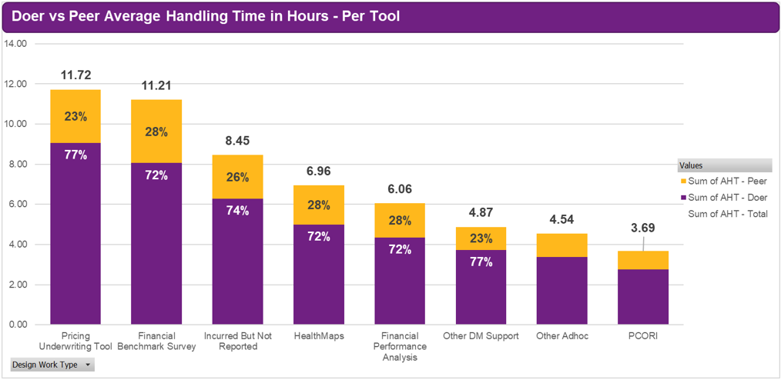

© 2020 Willis Towers Watson. All rights reserved. Proprietary and Confidential. For Willis Towers Watson and Willis Towers Watson client use only.
19

EX_DataM2
Excellence
Increase in AHT for PUT, FBS, IBNR, HealthMaps and PCORI 2021 vs 2020
FPA AHT slightly improved in 2021 vs 2020

AHT per Process (Data Management) 2021 vs 2020

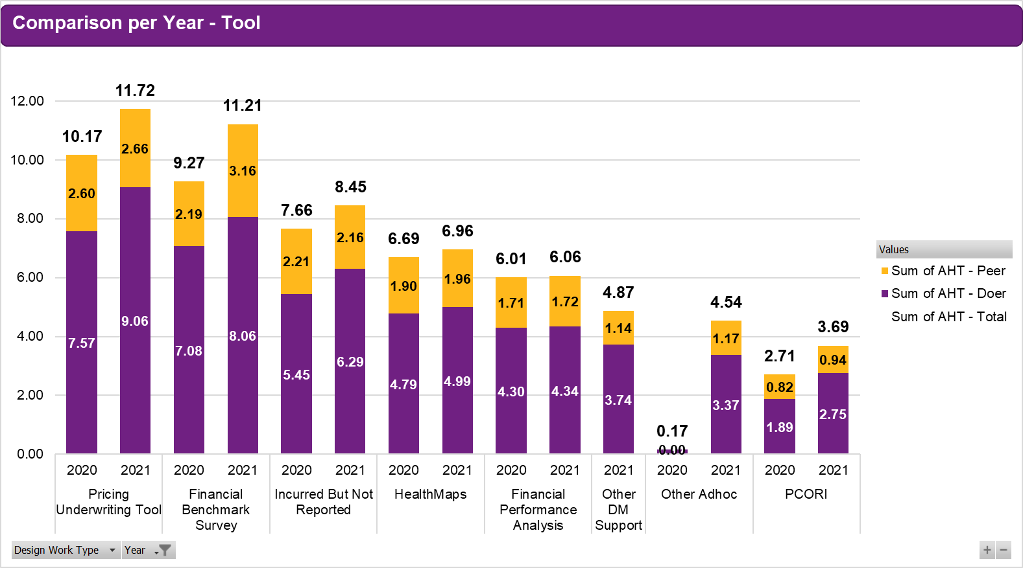

20
© 2020 Willis Towers Watson. All rights reserved. Proprietary and Confidential. For Willis Towers Watson and Willis Towers Watson client use only.

EX_CDT
Excellence

AHT per Process (Central Data Team) 2021

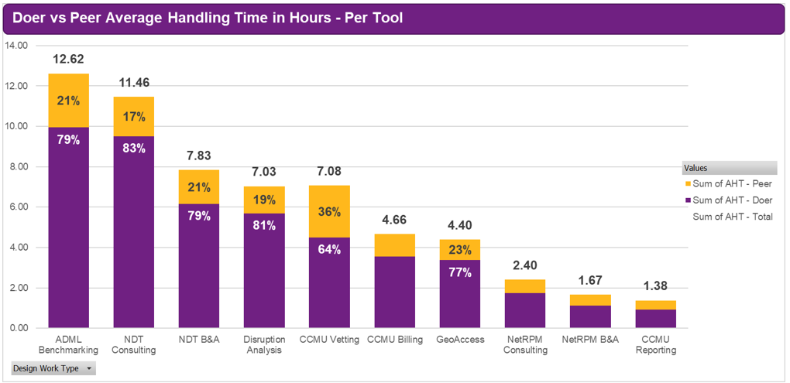

© 2020 Willis Towers Watson. All rights reserved. Proprietary and Confidential. For Willis Towers Watson and Willis Towers Watson client use only.
21

EX_CPY
Excellence
Increase in AHT for ADML Benchmarking and CCMU Vetting 2021 vs 2020
Rest of CDT Processes AHT improved in 2021 vs 2020

AHT per Process (Central Data Team) 2021 vs 2020

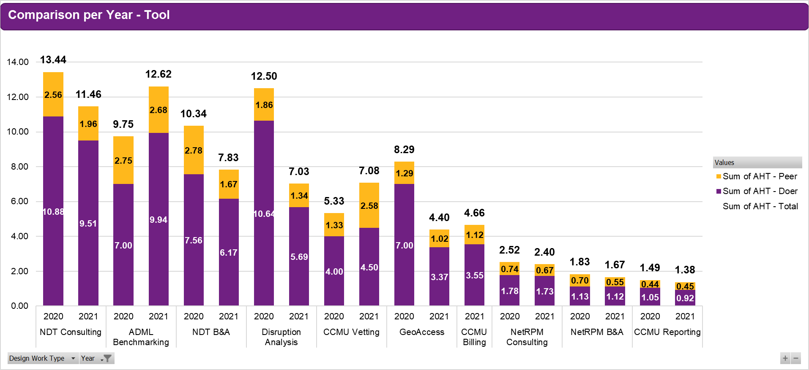

22
© 2020 Willis Towers Watson. All rights reserved. Proprietary and Confidential. For Willis Towers Watson and Willis Towers Watson client use only.

Clients_Perf
Performance

Quality |  |  |  |  |  | Volume
Process | Metric | June ‘20 | June ’21 | 2021 YTD | Feedback Rate * | Process | Metric | May ‘20 | May ’21 | 2021 YTD
FBS | % accurate projects vs. # of TR received | N/A | N/A | 97.82% | 94.00% | FBS | Completed Projects | - | - | 260
FPA | % accurate projects vs. # of TR received | 98.20% | 100.00% | 98.41% | 58.70% | FPA | Completed Projects | 94 | 57 | 1851
IBNR | % accurate projects vs. # of TR received | 98.37% | 100.00% | 99.19% | 79.20% | IBNR | Completed Projects | 26 | 11 | 325
PUT | % accurate projects vs. # of TR received | 98.36% | 100.00% | 98.20% | 73.80% | PUT | Completed Projects | 4 | 4 | 278
HMaps | % accurate projects vs. # of TR received | 100.00% | 100.00% | 100.00% | 73.90% | HMaps | Completed Projects | - | 1 | 51
PCORI | % accurate projects vs. # of TR received | 100.00% | 100.00% | 100.00% | 100.00% | PCORI | Completed Projects | - | - | 33
CDT (All process) | % accurate projects vs. # of TR received | N/A | 100.00% | 99.97% | 92.70% | CDT | ADML Benchmarking - Completed | 1 | 4 | 10
 |  |  |  |  |  |  | ADML RFP - Completed | 2 | 1 | 19
 |  |  |  |  |  |  | CCMU Billing - Completed | 0 | 1 | 11
Timeliness |  |  |  |  |  |  | CCMU Carrier Outreach - Completed | 0 | 0 | 0
Process | Metric | June ‘20 | June ‘21 | 2021 YTD | 2021 YTD |  | CCMU Reporting - Completed | 3 | 1 | 69
FBS | % of projects meeting deadlines | 100.00% | 100.00% | 100.00% | 100.00% |  | CCMU Vetting - Completed | 0 | 1 | 10
FPA | % of projects meeting deadlines | 100.00% | 100.00% | 99.90% | 99.90% |  | GeoAccess – Completed | 0 | 5 | 33
IBNR | % of projects meeting deadlines | 100.00% | 100% | 100.00% | 100.00% |  | Disruption Analysis – Completed | 0 | 7 | 31
PUT | % of projects meeting deadlines | 100.00% | 100.00% | 100.00% | 100.00% |  | NDT – B&A – Completed | 0 | 2 | 3
HMaps | % of projects meeting deadlines | 100.00% | 100.00% | 100.00% | 100.00% |  | NDT Consulting - Completed | 0 | 2 | 12
PCORI | % of projects meeting deadlines | 100.00% | 100.00% | 100.00% | 100.00% |  | NetRPM – B&A – Completed | 0 | 21 | 101
CDT Processes | % of projects meeting deadlines | N/A | 100.00% | 100.00% | 100.00% |  | NetRPM – Consulting – Completed | 4 | 2 | 30
RFP | % of projects meeting deadlines | N/A | N/A | N/A | N/A | RFP | Completed RFP (All Types) | 0 | 5 | 77
 |  |  |  |  |  | RxC | Dispensing Fee Reconciliation | - | - | -
 |  |  |  |  |  |  | API Letter and Population of price grid for lettersRebate Reconciliation | - | - | -
 |  |  |  |  |  | Carrier Ops | Client Profiling – Completed | 0 | 0 | 39
 |  |  |  |  |  |  | SBC - Completed | 0 | 0 | 174
 |  |  |  |  |  |  | Benefit Summary - Completed | 0 | 0 | 140

23

Clients_Auto
Excellence

Automation Projects

COMPLETED |  | ONGOING
Process | Tool/Project Name | Process | Tool/Project Name
Carrier Operations | Client Profile | FPA | FPA Review Tool
Carrier Operations | Priority email assistance- automation | FPA | FPA Aggregator Tool Error Checking
FPA | FPA Aggregator Tool | Ad Hoc | Payment Integrity Model
General RFPs | Standard RFP Census Request | AMPlify (Canada) | Assist with import from PDF
Med/Den/Vis RFP | GeoAccess | RxC | ESI Reconciliation Tool
Med/Den/Vis RFP | Provider Disruption Tool | ADML RFP | ADML RFP Roll-up
ADML RFP | ADML Census/Volume Calculation | Ad Hoc | Benefit Valuation
RxC | ESI Rebate Aggregator (PDF to Excel) | Form 5500 | Auto-Email
FBS | Demographics Analysis Tool | San Francisco Ordinance | Calculation Automation for several models; standardization
Ad Hoc | COVID US Worksite Analysis
All completed projects were supported by JP Hernandez, Marlon Pilor and Bryan Baliday alongside Joe Allbright and were done on top of their regular work.
Currently with 1 project hire who is a dedicated full time VB expert.
Ad Hoc | COVID Analytics Excel->PPT

© 2020 Willis Towers Watson. All rights reserved. Proprietary and Confidential. For Willis Towers Watson and Willis Towers Watson client use only.

24

Clients_Auto2
Excellence

Automation Projects 2021

COMPLETED |  | ONGOING
Process | Tool/Project Name | Process | Tool/Project Name
HBNA | I&D Gap Tool | FPA | FPA Review Tool
HBNA | PIE Metrics Tool | FPA | FPA Aggregator Tool Error Checking
HBNA | Benefit Valuation | Ad Hoc | Payment Integrity Model
RxC | RxC Discount Aggregator | AMPlify (Canada) | Assist with import from PDF
 |  | ADML RFP | ADML RFP Roll-up Enhancement
 |  | Form 5500 | Auto-Email
 |  | San Francisco Ordinance | Calculation Automation for several models; standardization
 |  | Network Analyses | Disruption Template Improvement
 |  | ADML | ADML E-mail Tool

All completed projects were supported by JP Hernandez, Marlon Pilor and Bryan Baliday alongside Joe Allbright and were done on top of their regular work.
Currently with 1 project hire who is a dedicated full time VB expert.

© 2020 Willis Towers Watson. All rights reserved. Proprietary and Confidential. For Willis Towers Watson and Willis Towers Watson client use only.

25

EX_YTD
Excellence

H&B NA Manila YTD Scope

Pending

Pending

Pending
Pending

Pending

26
© 2020 Willis Towers Watson. All rights reserved. Proprietary and Confidential. For Willis Towers Watson and Willis Towers Watson client use only.

Appendix
Appendix

27
© 2020 Willis Towers Watson. All rights reserved. Proprietary and Confidential. For Willis Towers Watson and Willis Towers Watson client use only.

About
About This Report

The report provides a view into the team’s headcount, productivity and performance on client metrics. The report has been enhanced with data illustration and charting, analysis and forecast on productivity, resource management activities and insights.
In alignment with the new global time recording policy, the colleague capacity utilization details for all teams have been adjusted to the new classifications. For a summary of this new approach, please turn to slide 19.
Please send questions and/or clarifications regarding the report to WTW.HB.MNL.Financial.Team.Leaders@willistowerswatson.com

People
Financial
Excellence
Clients

Headcount
Productivity
Resourcing
Performance

© 2020 Willis Towers Watson. All rights reserved. Proprietary and Confidential. For Willis Towers Watson and Willis Towers Watson client use only.
28

Prod_Comp
Productivity Computation

70%

Productivity % =
Client Time + Approved Non-Client Time
Standard Working Hours
40 hours per week, including public holidays
The productivity expectation is set at 70%
Target

Team coordinators, senior team coordinators and managers are included in measuring monthly and year-to-date team utilization.

Client Time
Direct Client & Project Activities
Software Development, Delivery and Shared Services time recorded to HRT, GDS, EI, EC project codes
Project review meetings
Billable and Non-billable
All Time
Recorded
Non-Client Time
T&R Ops Manila Operations Support Activity
Learning & Development
Non-Project Specific Task
General Management & Administration
Non-Working Time
Holiday
Vacation Leave
Sick Leave
Maternity & Paternity Leave
Emergency Leave

© 2020 Willis Towers Watson. All rights reserved. Proprietary and Confidential. For Willis Towers Watson and Willis Towers Watson client use only.
29

People
Team Leaders*
Analysts*
Managers*
1%
8%
91%
1:5
People

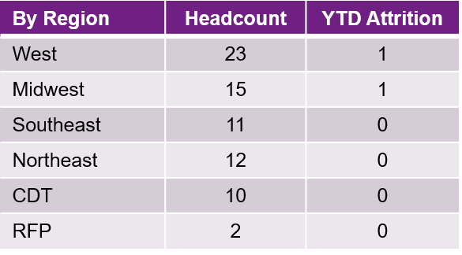

1:12

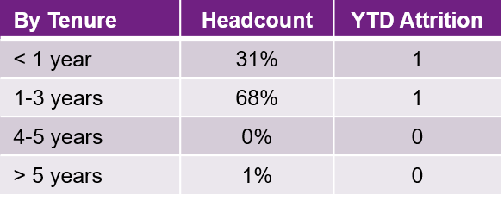

Status quo for December
Attrition: 1 voluntary, 1 non-regularization

© 2020 Willis Towers Watson. All rights reserved. Proprietary and Confidential. For Willis Towers Watson and Willis Towers Watson client use only.
30

Overall_Feedback
Overall Feedback Rate per Office
FPA Feedback Rate
Row Labels | Sum of TR Feedback | Sum of No TR Feedback | Sum of Reports Sent to client | Average of Response Rate
East | 300 | 166 | 465 | 64%
Midwest | 130 | 42 | 172 | 76%
West | 322 | 92 | 414 | 78%

© 2020 Willis Towers Watson. All rights reserved. Proprietary and Confidential. For Willis Towers Watson and Willis Towers Watson client use only.

Feedback1
Overall Feedback Rate per Office
Feedback Rate by Office (Q1 vs Q2)
 | Sum of TR Feedback | Sum of No TR Feedback | Average of Response Rate | Sum of Reports Sent to client
Boston | 69 | 21 | 75% | 84
Carolinas | 13 | 6 | 68% | 19
DC_Chesapeake | 12 | 36 | 25% | 48
Florida | 5 | 11 | 31% | 16
Georgia_Alabama | 13 | 19 | 41% | 32
NY Metro | 115 | 41 | 74% | 156
Philadelphia | 23 | 12 | 66% | 35
 |  |  |  | 100
Boston | 32 | 0 | 100% | 32
Carolinas | 2 | 0 | 100% | 2
DC_Chesapeake | 0 | 9 | 0% | 9
Georgia_Alabama | 3 | 5 | 38% | 8
Hunt Valley, Maryland | 0 | 2 | 0% | 2
NY Metro | 10 | 1 | 91% | 11
Philadelphia | 2 | 3 | 40% | 5
New York | 1 | 0 | 100% | 1
Atlanta, Georgia | 5 | 0 | 100% | 5
EAST |  |  |  |  |  |  | Midwest |  |  |  |  |  |  | West
Row Labels | QTR | Office | Sum of TR Feedback | Sum of No TR Feedback | Sum of Reports Sent to client | Average of Response Rate | Row Labels | QTR | Office | Sum of TR Feedback | Sum of No TR Feedback | Sum of Reports Sent to client | Average of Response Rate | Row Labels | QTR | Office | Sum of TR Feedback | Sum of No TR Feedback | Sum of Reports Sent to client | Average of Response Rate
 | Q1 | Boston | 69 | 21 | 84 | 75% |  | Q1 | Chicago | 30 | 12 | 42 | 71% |  | Q1 | Dallas | 70 | 22 | 92 | 76%
 |  | Carolinas | 13 | 6 | 19 | 68% |  |  | Michigan | 24 | 3 | 27 | 89% |  |  | Denver | 62 | 18 | 80 | 78%
 |  | DC_Chesapeake | 12 | 36 | 48 | 25% |  |  | Milwaukee | 2 | 3 | 5 | 40% |  |  | Houston | 97 | 11 | 108 | 90%
 |  | Florida | 5 | 11 | 16 | 31% |  |  | Minneapolis | 22 | 10 | 32 | 69% |  |  | NorCal | 34 | 20 | 54 | 63%
 |  | Georgia_Alabama | 13 | 19 | 32 | 41% |  |  | Missouri | 1 | 2 | 3 | 33% |  |  | Pacific Northwest | 11 | 2 | 13 | 85%
 |  | NY Metro | 115 | 41 | 156 | 74% |  |  | OH and Western PA | 45 | 10 | 55 | 82% |  |  | SoCal Phoenix | 23 | 11 | 34 | 68%
 |  | Philadelphia | 23 | 12 | 35 | 66% |  |  | Pittsburgh | 1 | 0 | 1 | 100% |  |  |  |  |  | 100
 |  |  |  |  | 100 |  |  |  |  |  |  | 100 |  |  | Q2 | Dallas | 2 | 3 | 5 | 40%
 | Q2 | Boston | 32 | 0 | 32 | 100% |  | Q2 | Chicago | 1 | 0 | 1 | 100% |  |  | Denver | 17 | 3 | 20 | 85%
 |  | Carolinas | 2 | 0 | 2 | 100% |  |  | Minneapolis | 3 | 2 | 5 | 60% |  |  | Houston | 4 | 2 | 6 | 67%
 |  | DC_Chesapeake | 0 | 9 | 9 | 0% |  |  | OH and Western PA | 1 | 0 | 1 | 100% |  |  | NorCal | 1 | 0 | 1 | 100%
 |  | Georgia_Alabama | 3 | 5 | 8 | 38% |  |  |  |  |  |  |  |  |  | SoCal Phoenix | 1 | 0 | 1 | 100%
 |  | Hunt Valley, Maryland | 0 | 2 | 2 | 0%
 |  | NY Metro | 10 | 1 | 11 | 91%
 |  | Philadelphia | 2 | 3 | 5 | 40%
 |  | New York | 1 | 0 | 1 | 100%
 |  | Atlanta, Georgia | 5 | 0 | 5 | 100%

 | Sum of TR Feedback | Sum of No TR Feedback | Average of Response Rate | Sum of Reports Sent to client
Dallas | 70 | 22 | 76% | 92
Denver | 62 | 18 | 78% | 80
Houston | 97 | 11 | 90% | 108
NorCal | 34 | 20 | 63% | 54
Pacific Northwest | 11 | 2 | 85% | 13
SoCal Phoenix | 23 | 11 | 68% | 34
 |  |  |  | 100
Dallas | 2 | 3 | 40% | 5
Denver | 17 | 3 | 85% | 20
Houston | 4 | 2 | 67% | 6
NorCal | 1 | 0 | 100% | 1
SoCal Phoenix | 1 | 0 | 100% | 1
 | Sum of TR Feedback | Sum of No TR Feedback | Average of Response Rate | Sum of Reports Sent to client
Chicago | 30 | 12 | 71% | 42
Michigan | 24 | 3 | 89% | 27
Milwaukee | 2 | 3 | 40% | 5
Minneapolis | 22 | 10 | 69% | 32
Missouri | 1 | 2 | 33% | 3
OH and Western PA | 45 | 10 | 82% | 55
Pittsburgh | 1 | 0 | 100% | 1
 |  |  |  | 100
Chicago | 1 | 0 | 100% | 1
Minneapolis | 3 | 2 | 60% | 5
OH and Western PA | 1 | 0 | 100% | 1

© 2020 Willis Towers Watson. All rights reserved. Proprietary and Confidential. For Willis Towers Watson and Willis Towers Watson client use only.

Feedback2
Overall Feedback Rate per Office
Feedback Rate by Office (Q1 vs Q2)
 | Sum of TR Feedback | Sum of No TR Feedback | Average of Response Rate | Sum of Reports Sent to client
Boston | 30 | 15 | 67% | 45
Carolinas | 6 | 3 | 67% | 9
DC_Chesapeake | 5 | 30 | 14% | 35
Florida | 1 | 9 | 10% | 10
Georgia_Alabama | 6 | 18 | 25% | 24
NY Metro | 47 | 27 | 64% | 74
Philadelphia | 11 | 8 | 58% | 19
 |  |  |  | 100
Boston | 18 | 0 | 100% | 18
DC_Chesapeake | 0 | 6 | 0% | 6
Georgia_Alabama | 2 | 5 | 29% | 7
Hunt Valley, Maryland | 0 | 1 | 0% | 1
NY Metro | 8 | 0 | 100% | 8
Philadelphia | 2 | 2 | 50% | 4
New York | 1 | 0 | 100% | 1
Atlanta, Georgia | 3 | 0 | 100% | 3
EAST |  |  |  |  |  |  | Midwest |  |  |  |  |  |  | West
Row Labels | QTR | Office | Sum of TR Feedback | Sum of No TR Feedback | Sum of Reports Sent to client | Average of Response Rate | Row Labels | QTR | Office | Sum of TR Feedback | Sum of No TR Feedback | Sum of Reports Sent to client | Average of Response Rate | Row Labels | QTR | Office | Sum of TR Feedback | Sum of No TR Feedback | Sum of Reports Sent to client | Average of Response Rate
 | Q1 | Boston | 30 | 15 | 45 | 67% |  | Q1 | Chicago | 8 | 12 | 20 | 40% |  | Q1 | Dallas | 29 | 17 | 46 | 63%
 |  | Carolinas | 6 | 3 | 9 | 67% |  |  | Michigan | 9 | 3 | 12 | 75% |  |  | Denver | 28 | 17 | 45 | 62%
 |  | DC_Chesapeake | 5 | 30 | 35 | 14% |  |  | Milwaukee | 1 | 3 | 4 | 25% |  |  | Houston | 44 | 8 | 52 | 85%
 |  | Florida | 1 | 9 | 10 | 10% |  |  | Minneapolis | 11 | 9 | 20 | 55% |  |  | NorCal | 9 | 13 | 22 | 41%
 |  | Georgia_Alabama | 6 | 18 | 24 | 25% |  |  | Missouri | 0 | 2 | 2 | 0% |  |  | Pacific Northwest | 6 | 2 | 8 | 75%
 |  | NY Metro | 47 | 27 | 74 | 64% |  |  | OH and Western PA | 23 | 9 | 32 | 72% |  |  | SoCal Phoenix | 10 | 9 | 19 | 53%
 |  | Philadelphia | 11 | 8 | 19 | 58% |  |  |  |  |  | 100 |  |  |  |  |  |  | 100
 |  |  |  |  | 100 |  |  | Q2 | Chicago | 1 | 0 | 1 | 100% |  | Q2 | Dallas | 2 | 3 | 5 | 40%
 | Q2 | Boston | 18 | 0 | 18 | 100% |  |  | Minneapolis | 1 | 2 | 3 | 33% |  |  | Denver | 2 | 3 | 5 | 40%
 |  | DC_Chesapeake | 0 | 6 | 6 | 0% |  |  | OH and Western PA | 1 | 0 | 1 | 100% |  |  | Houston | 3 | 2 | 5 | 60%
 |  | Georgia_Alabama | 2 | 5 | 7 | 29% |  |  |  |  |  |  |  |  |  | NorCal | 1 | 0 | 1 | 100%
 |  | Hunt Valley, Maryland | 0 | 1 | 1 | 0%
 |  | NY Metro | 8 | 0 | 8 | 100%
 |  | Philadelphia | 2 | 2 | 4 | 50%
 |  | New York | 1 | 0 | 1 | 100%
 |  | Atlanta, Georgia | 3 | 0 | 3 | 100%

 | Sum of TR Feedback | Sum of No TR Feedback | Average of Response Rate | Sum of Reports Sent to client
Dallas | 29 | 17 | 63% | 46
Denver | 28 | 17 | 62% | 45
Houston | 44 | 8 | 85% | 52
NorCal | 9 | 13 | 41% | 22
Pacific Northwest | 6 | 2 | 75% | 8
SoCal Phoenix | 10 | 9 | 53% | 19
 |  |  |  | 100
Dallas | 2 | 3 | 40% | 5
Denver | 2 | 3 | 40% | 5
Houston | 3 | 2 | 60% | 5
NorCal | 1 | 0 | 100% | 1
 | Sum of TR Feedback | Sum of No TR Feedback | Average of Response Rate | Sum of Reports Sent to client
Chicago | 8 | 12 | 40% | 20
Michigan | 9 | 3 | 75% | 12
Milwaukee | 1 | 3 | 25% | 4
Minneapolis | 11 | 9 | 55% | 20
Missouri | 0 | 2 | 0% | 2
OH and Western PA | 23 | 9 | 72% | 32
 |  |  |  | 100
Chicago | 1 | 0 | 100% | 1
Minneapolis | 1 | 2 | 33% | 3
OH and Western PA | 1 | 0 | 100% | 1

© 2020 Willis Towers Watson. All rights reserved. Proprietary and Confidential. For Willis Towers Watson and Willis Towers Watson client use only.

Feedback3
Overall Feedback Rate per Office
PUT Feedback Rate by Office (Q1 vs Q2)
 | Sum of TR Feedback | Sum of No TR Feedback | Average of Response Rate | Sum of Reports Sent to client
Boston | 3 | 2 | 67% | 6
Carolinas | 0 | 2 | 0% | 2
NY Metro | 10 | 4 | 71% | 14
Philadelphia | 1 | 2 | 33% | 3
 |  |  |  | 100
Boston | 6 | 0 | 100% | 6
Carolinas | 1 | 0 | 100% | 1
DC_Chesapeake | 0 | 1 | 0% | 1
Georgia_Alabama | 1 | 0 | 100% | 1
NY Metro | 2 | 1 | 67% | 3
Philadelphia | 0 | 1 | 0% | 1
EAST |  |  |  |  |  |  | Midwest |  |  |  |  |  |  | West
Row Labels | QTR | Office | Sum of TR Feedback | Sum of No TR Feedback | Sum of Reports Sent to client | Average of Response Rate | Row Labels | QTR | Office | Sum of TR Feedback | Sum of No TR Feedback | Sum of Reports Sent to client | Average of Response Rate | Row Labels | QTR | Office | Sum of TR Feedback | Sum of No TR Feedback | Sum of Reports Sent to client | Average of Response Rate
 | Q1 | Boston | 3 | 2 | 6 | 67% |  | Q1 | Chicago | 1 | 0 | 1 | 100% |  | Q1 | Dallas | 3 | 0 | 3 | 100%
 |  | Carolinas | 0 | 2 | 2 | 0% |  |  | Michigan | 1 | 0 | 1 | 100% |  |  | Denver | 2 | 0 | 2 | 100%
 |  | NY Metro | 10 | 4 | 14 | 71% |  |  | Minneapolis | 0 | 1 | 1 | 0% |  |  | Houston | 7 | 1 | 8 | 88%
 |  | Philadelphia | 1 | 2 | 3 | 33% |  |  | OH and Western PA | 1 | 0 | 1 | 100% |  |  | NorCal | 0 | 2 | 2 | 0%
 |  |  |  |  | 100 |  |  |  |  |  |  | 100 |  |  |  |  |  |  | 100
 | Q2 | Boston | 6 | 0 | 6 | 100% |  | Q2 | Minneapolis | 1 | 0 | 1 | 100% |  | Q2 | Denver | 6 | 0 | 6 | 100%
 |  | Carolinas | 1 | 0 | 1 | 100% |  |  |  |  |  |  |  |  |  | Houston | 1 | 0 | 1 | 100%
 |  | DC_Chesapeake | 0 | 1 | 1 | 0%
 |  | Georgia_Alabama | 1 | 0 | 1 | 100%
 |  | NY Metro | 2 | 1 | 3 | 67%
 |  | Philadelphia | 0 | 1 | 1 | 0%

 | Sum of TR Feedback | Sum of No TR Feedback | Average of Response Rate | Sum of Reports Sent to client
Dallas | 3 | 0 | 100% | 3
Denver | 2 | 0 | 100% | 2
Houston | 7 | 1 | 88% | 8
NorCal | 0 | 2 | 0% | 2
 |  |  |  | 100
Denver | 6 | 0 | 100% | 6
Houston | 1 | 0 | 100% | 1
 | Sum of TR Feedback | Sum of No TR Feedback | Average of Response Rate | Sum of Reports Sent to client
Chicago | 1 | 0 | 100% | 1
Michigan | 1 | 0 | 100% | 1
Minneapolis | 0 | 1 | 0% | 1
OH and Western PA | 1 | 0 | 100% | 1
 |  |  |  | 100
Minneapolis | 1 | 0 | 100% | 1

© 2020 Willis Towers Watson. All rights reserved. Proprietary and Confidential. For Willis Towers Watson and Willis Towers Watson client use only.

Feedback4
Overall Feedback Rate per Office
IBNR Feedback Rate by Office (Q1 vs Q2)
 | Sum of TR Feedback | Sum of No TR Feedback | Average of Response Rate | Sum of Reports Sent to client
Boston | 5 | 2 | 71% | 7
Carolinas | 1 | 0 | 100% | 1
DC_Chesapeake | 1 | 3 | 25% | 4
Florida | 0 | 2 | 0% | 2
Georgia_Alabama | 1 | 1 | 50% | 2
NY Metro | 10 | 8 | 56% | 18
Philadelphia | 2 | 0 | 100% | 2
 |  |  |  | 100
Boston | 2 | 0 | 100% | 2
Carolinas | 1 | 0 | 100% | 1
Hunt Valley, Maryland | 0 | 1 | 0% | 1
Atlanta, Georgia | 1 | 0 | 100% | 1
EAST |  |  |  |  |  |  | Midwest |  |  |  |  |  |  | West
Row Labels | QTR | Office | Sum of TR Feedback | Sum of No TR Feedback | Sum of Reports Sent to client | Average of Response Rate | Row Labels | QTR | Office | Sum of TR Feedback | Sum of No TR Feedback | Sum of Reports Sent to client | Average of Response Rate | Row Labels | QTR | Office | Sum of TR Feedback | Sum of No TR Feedback | Sum of Reports Sent to client | Average of Response Rate
 | Q1 | Boston | 5 | 2 | 7 | 71% |  | Q1 | Chicago | 2 | 0 | 2 | 100% |  | Q1 | Dallas | 15 | 1 | 16 | 94%
 |  | Carolinas | 1 | 0 | 1 | 100% |  |  | Michigan | 1 | 0 | 1 | 100% |  |  | Denver | 12 | 1 | 13 | 92%
 |  | DC_Chesapeake | 1 | 3 | 4 | 25% |  |  | Minneapolis | 1 | 0 | 1 | 100% |  |  | Houston | 15 | 1 | 16 | 94%
 |  | Florida | 0 | 2 | 2 | 0% |  |  | OH and Western PA | 1 | 0 | 1 | 100% |  |  | NorCal | 5 | 1 | 6 | 83%
 |  | Georgia_Alabama | 1 | 1 | 2 | 50% |  |  |  |  |  | 100 |  |  |  | Pacific Northwest | 2 | 0 | 2 | 100%
 |  | NY Metro | 10 | 8 | 18 | 56% |  | Q2 | Minneapolis | 1 | 0 | 1 | 100% |  |  | SoCal Phoenix | 2 | 1 | 3 | 67%
 |  | Philadelphia | 2 | 0 | 2 | 100% |  |  |  |  |  |  |  |  |  |  |  |  | 100
 |  |  |  |  | 100 |  |  |  |  |  |  |  |  |  | Q2 | Denver | 3 | 0 | 3 | 100%
 | Q2 | Boston | 2 | 0 | 2 | 100%
 |  | Carolinas | 1 | 0 | 1 | 100%
 |  | Hunt Valley, Maryland | 0 | 1 | 1 | 0%
 |  | Atlanta, Georgia | 1 | 0 | 1 | 100%

 | Sum of TR Feedback | Sum of No TR Feedback | Average of Response Rate | Sum of Reports Sent to client
Dallas | 15 | 1 | 94% | 16
Denver | 12 | 1 | 92% | 13
Houston | 15 | 1 | 94% | 16
NorCal | 5 | 1 | 83% | 6
Pacific Northwest | 2 | 0 | 100% | 2
SoCal Phoenix | 2 | 1 | 67% | 3
 |  |  |  | 100
Denver | 3 | 0 | 100% | 3
 | Sum of TR Feedback | Sum of No TR Feedback | Average of Response Rate | Sum of Reports Sent to client
Chicago | 2 | 0 | 100% | 2
Michigan | 1 | 0 | 100% | 1
Minneapolis | 1 | 0 | 100% | 1
OH and Western PA | 1 | 0 | 100% | 1
 |  |  |  | 100
Minneapolis | 1 | 0 | 100% | 1

© 2020 Willis Towers Watson. All rights reserved. Proprietary and Confidential. For Willis Towers Watson and Willis Towers Watson client use only.

Feedback5
Overall Feedback Rate per Office
FBS Feedback Rate by Office (Q1 vs Q2)
 | Sum of TR Feedback | Sum of No TR Feedback | Average of Response Rate | Sum of Reports Sent to client
Boston | 23 | 1 | 96% | 24
Carolinas | 6 | 0 | 100% | 6
DC_Chesapeake | 6 | 3 | 67% | 9
Florida | 4 | 0 | 100% | 4
Georgia_Alabama | 6 | 0 | 100% | 6
NY Metro | 42 | 1 | 98% | 43
Philadelphia | 9 | 2 | 82% | 11
 |  |  |  | 100
DC_Chesapeake | 0 | 1 | 0% | 1
EAST |  |  |  |  |  |  | Midwest |  |  |  |  |  |  | West
Row Labels | QTR | Office | Sum of TR Feedback | Sum of No TR Feedback | Sum of Reports Sent to client | Average of Response Rate | Row Labels | QTR | Office | Sum of TR Feedback | Sum of No TR Feedback | Sum of Reports Sent to client | Average of Response Rate | Row Labels | QTR | Office | Sum of TR Feedback | Sum of No TR Feedback | Sum of Reports Sent to client | Average of Response Rate
 | Q1 | Boston | 23 | 1 | 24 | 96% |  | Q1 | Chicago | 19 | 0 | 19 | 100% |  | Q1 | Dallas | 20 | 2 | 22 | 91%
 |  | Carolinas | 6 | 0 | 6 | 100% |  |  | Michigan | 13 | 0 | 13 | 100% |  |  | Denver | 19 | 0 | 19 | 100%
 |  | DC_Chesapeake | 6 | 3 | 9 | 67% |  |  | Milwaukee | 1 | 0 | 1 | 100% |  |  | Houston | 31 | 1 | 32 | 97%
 |  | Florida | 4 | 0 | 4 | 100% |  |  | Minneapolis | 10 | 0 | 10 | 100% |  |  | NorCal | 20 | 4 | 24 | 83%
 |  | Georgia_Alabama | 6 | 0 | 6 | 100% |  |  | Missouri | 1 | 0 | 1 | 100% |  |  | Pacific Northwest | 3 | 0 | 3 | 100%
 |  | NY Metro | 42 | 1 | 43 | 98% |  |  | OH and Western PA | 19 | 1 | 20 | 95% |  |  | SoCal Phoenix | 11 | 1 | 12 | 92%
 |  | Philadelphia | 9 | 2 | 11 | 82% |  |  | Pittsburgh | 1 | 0 | 1 | 100% |  |  |  |  |  | 100
 |  |  |  |  | 100 |  |  |  |  |  |  |  |  |  | Q2 | SoCal Phoenix | 1 | 0 | 1 | 100%
 | Q2 | DC_Chesapeake | 0 | 1 | 1 | 0%

 | Sum of TR Feedback | Sum of No TR Feedback | Average of Response Rate | Sum of Reports Sent to client
Dallas | 20 | 2 | 91% | 22
Denver | 19 | 0 | 100% | 19
Houston | 31 | 1 | 97% | 32
NorCal | 20 | 4 | 83% | 24
Pacific Northwest | 3 | 0 | 100% | 3
SoCal Phoenix | 11 | 1 | 92% | 12
 |  |  |  | 100
SoCal Phoenix | 1 | 0 | 100% | 1

© 2020 Willis Towers Watson. All rights reserved. Proprietary and Confidential. For Willis Towers Watson and Willis Towers Watson client use only.

Feedback6
Overall Feedback Rate per Office
HealthMaps Feedback Rate by Office (Q1 vs Q2)
 | Sum of TR Feedback | Sum of No TR Feedback | Average of Response Rate | Sum of Reports Sent to client
Boston | 1 | 1 | 50% | 2
Carolinas | 0 | 1 | 0% | 1
NY Metro | 4 | 1 | 80% | 5
 |  |  |  | 100
Boston | 4 | 0 | 100% | 4
DC_Chesapeake | 0 | 1 | 0% | 1
EAST |  |  |  |  |  |  | Midwest |  |  |  |  |  |  | West
Row Labels | QTR | Office | Sum of TR Feedback | Sum of No TR Feedback | Sum of Reports Sent to client | Average of Response Rate | Row Labels | QTR | Office | Sum of TR Feedback | Sum of No TR Feedback | Sum of Reports Sent to client | Average of Response Rate | Row Labels | QTR | Office | Sum of TR Feedback | Sum of No TR Feedback | Sum of Reports Sent to client | Average of Response Rate
 | Q1 | Boston | 1 | 1 | 2 | 50% | OH and Western PA Q1 | Q1 | OH and Western PA | 1 | 0 | 1 | 100% |  | Q1 | Dallas | 3 | 2 | 5 | 60%
 |  | Carolinas | 0 | 1 | 1 | 0% |  |  |  |  |  |  |  |  |  | Denver | 1 | 0 | 1 | 100%
 |  | NY Metro | 4 | 1 | 5 | 80% |  |  |  |  |  |  |  |  |  |  |  |  | 100
 |  |  |  |  | 100 |  |  |  |  |  |  |  |  |  | Q2 | Denver | 3 | 0 | 3 | 100%
 | Q2 | Boston | 4 | 0 | 4 | 100%
 |  | DC_Chesapeake | 0 | 1 | 1 | 0%

 | Sum of TR Feedback | Sum of No TR Feedback | Average of Response Rate | Sum of Reports Sent to client
Dallas | 3 | 2 | 60% | 5
Denver | 1 | 0 | 100% | 1
 |  |  |  | 100
Denver | 3 | 0 | 100% | 3

© 2020 Willis Towers Watson. All rights reserved. Proprietary and Confidential. For Willis Towers Watson and Willis Towers Watson client use only.

Feedback7
Overall Feedback Rate per Office
PCORI Feedback Rate by Office (Q1 vs Q2)
East |  |  |  |  |  |  | West
Row Labels | QTR | Office | Sum of TR Feedback | Sum of No TR Feedback | Sum of Reports Sent to client | Average of Response Rate | Row Labels | QTR | Office | Sum of TR Feedback | Sum of No TR Feedback | Sum of Reports Sent to client | Average of Response Rate
 | Q1 | NY Metro | 2 | 0 | 2 | 100% | Denver Q2 | Q2 | Denver | 3 | 0 | 3 | 100%
 |  |  |  |  | 100
 | Q2 | Boston | 2 | 0 | 2 | 100%
 | Sum of TR Feedback | Sum of No TR Feedback | Average of Response Rate | Sum of Reports Sent to client
NY Metro | 2 | 0 | 100% | 2
 |  |  |  | 100
Boston | 2 | 0 | 100% | 2
Atlanta, Georgia | 1 | 0 | 100% | 1
 |  | Atlanta, Georgia | 1 | 0 | 1 | 100%

© 2020 Willis Towers Watson. All rights reserved. Proprietary and Confidential. For Willis Towers Watson and Willis Towers Watson client use only.

TQS1
Overall Feedback Rate per Office
PCORI Feedback Rate by Office (Q1 vs Q2)
REGION |  | TOOL
Row Labels | TQS | Row Labels | TQS
East | 98.33 | Financial Benchmark Survey | 97.82
Midwest | 97.92 | Financial Performance Analysis | 98.37
West | 98.45 | HealthMaps | 100.00
 |  | Incurred But Not Reported | 99.19
 |  | PCORI | 100.00
 |  | Pricing Underwriting Tool | 98.20

© 2020 Willis Towers Watson. All rights reserved. Proprietary and Confidential. For Willis Towers Watson and Willis Towers Watson client use only.

TQS2
Overall Feedback Rate per Office
Total Quality Score (Q1 vs Q2)
REGION |  |  | TOOL
Row Labels | Q1 | Q2 | Row Labels | Q1 | Q2
East | 98.16 | 99.08 | Financial Benchmark Survey | 97.81 | 100
Midwest | 97.84 | 100.00 | Financial Performance Analysis | 98.30 | 98.830444444
West | 98.37 | 99.37 | HealthMaps | 100.00 | 100
 |  |  | Incurred But Not Reported | 99.10 | 100
 |  |  | PCORI | 100.00 | 100
 |  |  | Pricing Underwriting Tool | 97.58 | 99.242444444

© 2020 Willis Towers Watson. All rights reserved. Proprietary and Confidential. For Willis Towers Watson and Willis Towers Watson client use only.

TQS3
Overall Feedback Rate per Office
Total Quality Score (Q1 vs Q2)
REGION |  |  | TOOL
Row Labels | Office | TQS | Row Labels | Office | Q1 | Q2
East | Atlanta, Georgia | 100.00 | East | Atlanta, Georgia |  | 100.00
 | Boston | 98.40 |  | Boston | 97.90 | 99.36
 | Carolinas | 98.57 |  | Carolinas | 98.35 | 100.00
 | DC_Chesapeake | 100.00 |  | DC_Chesapeake | 100.00
 | Florida | 95.71 |  | Florida | 95.71
 | Georgia_Alabama | 98.78 |  | Georgia_Alabama | 98.50 | 100.00
 | New York | 100.00 |  | New York |  | 100.00
 | NY Metro | 97.94 |  | NY Metro | 98.02 | 96.99
 | Philadelphia | 98.90 |  | Philadelphia | 98.81 | 100.00
Midwest | Chicago | 97.23 | Midwest | Chicago | 97.14 | 100.00
 | Michigan | 97.27 |  | Michigan | 97.27
 | Milwaukee | 97.37 |  | Milwaukee | 97.37
 | Minneapolis | 99.14 |  | Minneapolis | 99.03 | 100.00
 | Missouri | 100.00 |  | Missouri | 100.00
 | OH and Western PA | 98.14 |  | OH and Western PA | 98.10 | 100.00
 | Pittsburgh | 92.86 |  | Pittsburgh | 92.86
West | Dallas | 99.19 | West | Dallas | 99.17 | 100.00
 | Denver | 98.70 |  | Denver | 98.34 | 100.00
 | Houston | 97.81 |  | Houston | 97.83 | 97.37
 | NorCal | 97.98 |  | NorCal | 98.08 | 94.74
 | Pacific Northwest | 100.00 |  | Pacific Northwest | 100.00
 | SoCal Phoenix | 98.01 |  | SoCal Phoenix | 97.92 | 100.00
 | Q1 | Q2
Atlanta, Georgia |  | 100.00
Boston | 97.90 | 99.36
Carolinas | 98.35 | 100.00
DC_Chesapeake | 100.00
Florida | 95.71
Georgia_Alabama | 98.50 | 100.00
New York |  | 100.00
NY Metro | 98.02 | 96.99
Philadelphia | 98.81 | 100.00
Chicago | 97.14 | 100.00
Michigan | 97.27
Milwaukee | 97.37
Minneapolis | 99.03 | 100.00
Missouri | 100.00
OH and Western PA | 98.10 | 100.00
Pittsburgh | 92.86
Dallas | 99.17 | 100.00
Denver | 98.34 | 100.00
Houston | 97.83 | 97.37
NorCal | 98.08 | 94.74
Pacific Northwest | 100.00
SoCal Phoenix | 97.92 | 100.00

TQS4
Overall Feedback Rate per Office
HealthMaps Feedback Rate by Office (Q1 vs Q2)
EAST |  | Midwest |  |  | West
Row Labels | TQS | Row Labels | Q1 | Q2 | Row Labels | TQS | Row Labels | Q1 | Q2
W1 | 98.42 | W1 | 98.30 | 99.42 | Special Project | 99.11 | Special Project | 99.11
W2 | 97.98 | W2 | 97.89 | 98.69 | W1 | 98.52 | W1 | 98.39 | 99.45
 |  |  |  |  | W2 | 97.83 | W2 | 97.71 | 98.97
 |  |  |  |  | W3 | 98.31 | W3 | 98.01 | 100.00
 |  |  |  |  | W4 | 97.80 | W4 | 97.94 | 95.79
 |  |  |  |  | W5 | 100.00 | W5 | 100.00

 | Q1 | Q2
Special Project | 99.11
W1 | 98.39 | 99.45
W2 | 97.71 | 98.97
W3 | 98.01 | 100.00
W4 | 97.94 | 95.79
W5 | 100.00

